Figure 2.2
Figure 2.2: Scottish GDP index, December 2024 forecast and outturn
GDP grew in 2025-26 despite higher global uncertainty, broadly in line with our forecast
This worksheet contains one chart and one table. The chart begins in cell A5. The table begins in cell A18. Notes are located below the table and begin in cell A44.
Description of Figure 2.2: Line graph showing our December 2024 forecast of GDP compared with the latest outturn, with data indexed so that 2024 Q1 equals 100. Outturn is slightly below our forecast for 2025-26.
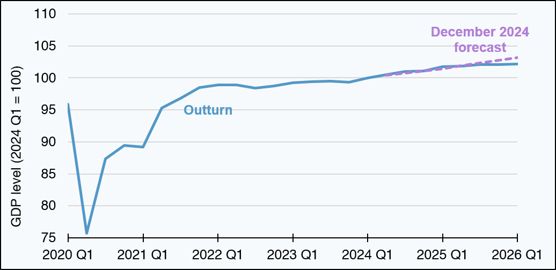

2024 Q1 = 100 | Outturn | December 2024 forecast
2020 Q1 | 96 | blank
2020 Q2 | 76 | blank
2020 Q3 | 87 | blank
2020 Q4 | 89 | blank
2021 Q1 | 89 | blank
2021 Q2 | 95 | blank
2021 Q3 | 97 | blank
2021 Q4 | 99 | blank
2022 Q1 | 99 | blank
2022 Q2 | 99 | blank
2022 Q3 | 98 | blank
2022 Q4 | 99 | blank
2023 Q1 | 99 | blank
2023 Q2 | 99 | blank
2023 Q3 | 99 | blank
2023 Q4 | 99 | blank
2024 Q1 | 100 | blank
2024 Q2 | 100 | 100
2024 Q3 | 101 | 101
2024 Q4 | 101 | 101
2025 Q1 | 102 | 101
2025 Q2 | 102 | 102
2025 Q3 | 102 | 102
2025 Q4 | 102 | 103
2026 Q1 | 102 | 103
Source:
Scottish Fiscal Commission (2024) Scotland’s Economic and Fiscal Forecasts – December 2024,
Scottish Government (2026) GDP Quarterly National Accounts: 2026 Quarter 1 (January-March).
Return to Table of Contents

Figure 2.3
Figure 2.3: Decomposition of December 2024 GDP forecast error for 2025-26
Consumption and investment over-forecasts partly offset by net trade under-forecast
This worksheet contains one chart and one table. The chart begins in cell A5. The table begins in cell A18. Notes are located below the table and begin in cell A26.
Description of Figure 2.3: Bar chart showing contributions in percentage points to the GDP error from household consumption (over-forecast by 0.6 percentage points), government expenditure (over-forecast by 0.1 percentage points), fixed private investment (over-forecast by 0.3 percentage points), and net trade including residual (under-forecast by 0.5 percentage points).
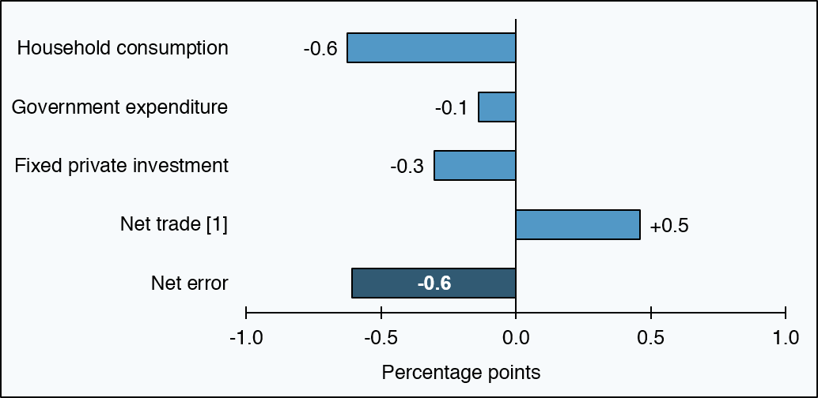

Component | Error (percentage points)
Outturn | 1.0
Net error | -0.6
Net trade [1] | 0.5
Fixed private investment | -0.3
Government expenditure | -0.1
Household consumption | -0.6
December 2024 forecast | 1.6
Source:
Scottish Fiscal Commission (2024) Scotland’s Economic and Fiscal Forecasts – December 2024,
Scottish Government (2026) GDP Quarterly National Accounts: 2026 Quarter 1 (January-March).
The net error is calculated as the sum of the components and so, to several decimal places, it may not exactly match the forecast error which is calculated as the difference between outturn and forecast.
[1] ‘Net trade’ category includes residual factors which are: changes in inventories, including balancing adjustments; and statistical discrepancy.
Return to Table of Contents

Figure 3.3
Figure 3.3: Decomposition of the December 2023 SIT forecast error for 2024-25
The largest component of our error is Other, which is mainly caused by lower than expected income from higher earners
This worksheet contains one chart and one table. The chart begins in cell A5. The table begins in cell A18. Notes are located below the table and begin in cell A23.
Description of Figure 3.3: A bar chart showing the main factors contributing to our Scottish Income Tax forecast error. Outturn was lower than forecast with a large negative ‘Other’ error being partly offset by positive Economy and RTI errors.
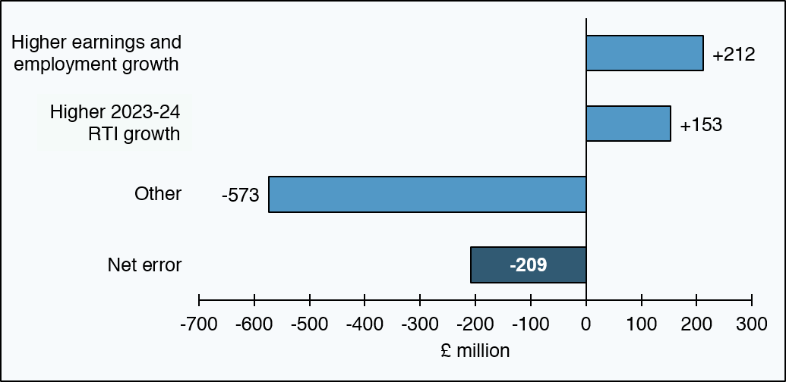

£ million | Decomposition
Net error | -209
Other | -573
Higher 2023-24 RTI growth | 153
Higher earnings and employment growth | 212
Source:
Scottish Fiscal Commission 2023: Scotlands Economic and Fiscal Forecasts - December 2023,
HMRC (2026) Scottish Income Tax Outturn Statistics: 2024 to 2025.
Return to Table of Contents

Figure 3.6
Figure 3.6: Decomposition of the December 2024 NDR forecast error for 2025-26
The overall forecast error was small at £27 million (0.9 per cent of forecast revenue)
This worksheet contains one chart and one table. The chart begins in cell A5. The table begins in cell A18. Notes are located below the table and begin in cell A28.
Description of Figure 3.6: Bar chart showing the main factors contributing to the NDR forecast error. The components present largely offset each other. The largest positive contribution was from lower-than-expected refunds arising from proposals and appeals, while higher than expected costs of reliefs and backdated reliefs reduced revenue.
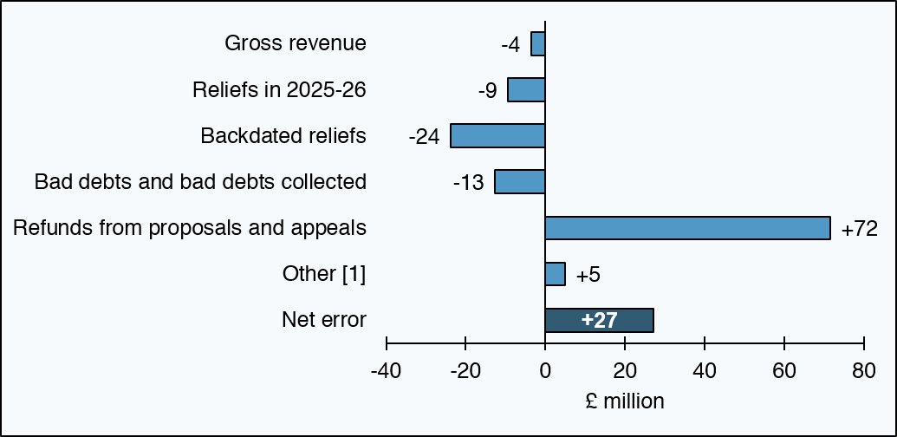

£ million | Decomposition
Notified outturn | 3,079
Net error | 27
Other [1] | 5
Refunds from proposals and appeals | 72
Bad debts and bad debts collected | -13
Backdated reliefs | -24
Reliefs in 2025-26 | -9
Gross revenue | -4
December 2024 forecast | 3,052
Source:
Scottish Fiscal Commission (2024) Scotland’s Economic and Fiscal Forecasts – December 2024,
Scottish Government – Non-domestic rates income statistics.
[1] ‘Other’ category includes write-offs, late deductions and additions to the role and interest of refunds of overpayments, along with other small adjustments to NDR revenue.
Return to Table of Contents

Figure 3.9
Figure 3.9: Decomposition of the December 2024 Residential LBTT forecast error for 2025-26
Lower transaction growth, and a greater share of less expensive house transactions offset the positive error caused by higher price growth
This worksheet contains one chart and one table. The chart begins in cell A5. The table begins in cell A18. Notes are located below the table and begin in cell A25.
Description of Figure 3.9: Bar chart showing the main contributions to the net LBTT forecast error. The largest negative contributions are the distribution of transactions, lower overall transactions, and other errors; Stronger than expected price growth partly offsets these effects.
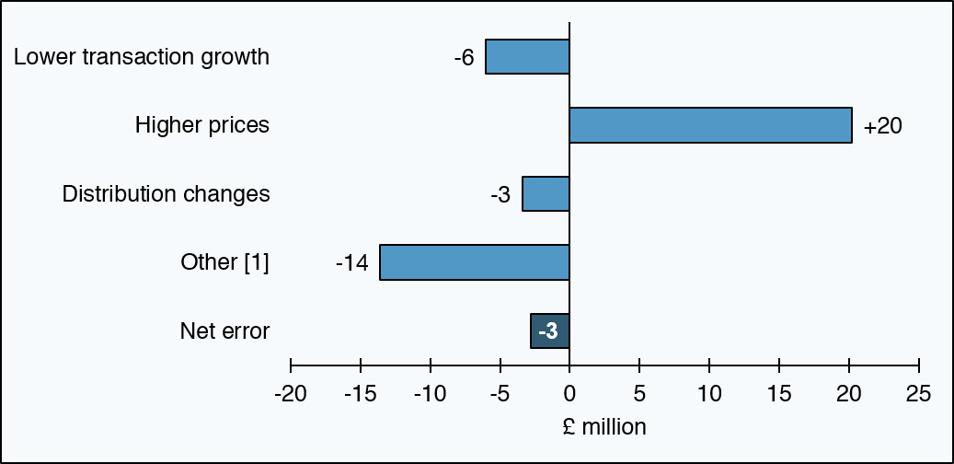

£ million | Decomposition
Net error | -3
Other [1] | -14
Distribution changes | -3
Higher prices | 20
Lower transaction growth | -6
2024-25 in-year adjustment | -12
Source:
Scottish Fiscal Commission (2024) Scotland’s Economic and Fiscal Forecasts – December 2024,
Revenue Scotland (2026) Provisional Outturn Data 2025/26,
Revenue Scotland (2026) LBTT Forecasting Data - July 2026.
[1] ‘Other’ category includes the effect of reliefs and the residual forecast error.
Return to Table of Contents

Figure 3.11
Figure 3.11: Decomposition of the December 2024 ADS forecast error for 2025-26
Higher than forecast ADS reliefs and repayments are the main sources of error
This worksheet contains one chart and one table. The chart begins in cell A5. The table begins in cell A18. Notes are located below the table and begin in cell A26.
Description of Figure 3.11: Bar chart showing the main contributions to the net ADS forecast error. The largest negative contributions are the reliefs and repayments; a positive in year adjustment and residual error partly offsets these effects.
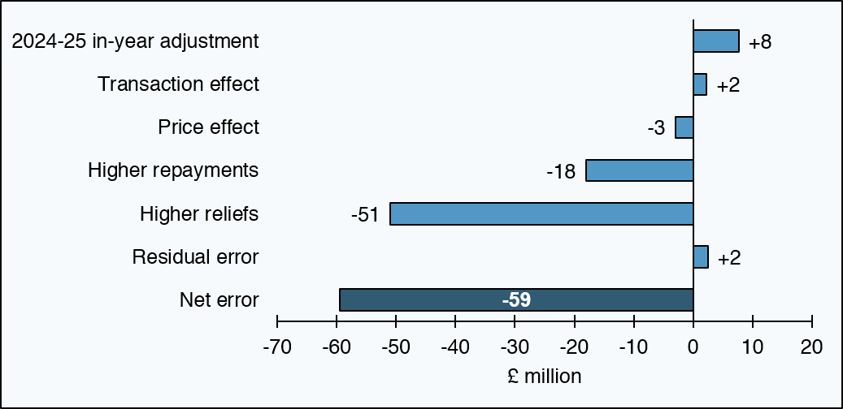

£ million | Decomposition
Net error | -59
Residual error | 2
Higher reliefs | -51
Higher repayments | -18
Price effect | -3
Transaction effect | 2
2024-25 in-year adjustment | 8
Source:
Scottish Fiscal Commission (2024) Scotland’s Economic and Fiscal Forecasts –December 2024,
Revenue Scotland Provisional LBTT Outturn Data.
Return to Table of Contents

Figure 3.13
Figure 3.13: Decomposition of the December 2024 Non-residential LBTT forecast error for 2025-26
Errors in transactions and reliefs largely offset one another, leaving a small net error
This worksheet contains one chart and one table. The chart begins in cell A5. The table begins in cell A18. Notes are located below the table and begin in cell A25.
Description of Figure 3.13: Bar chart showing the main factors contributing to the non-residential LBTT error. The largest error is a positive transaction effect error which is mostly offset by a negative reliefs error.
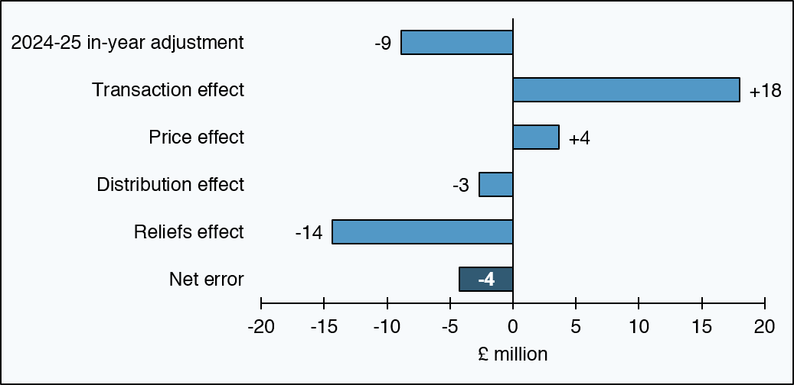

£ million | Decomposition
Net error | -4
Reliefs effect | -14
Distribution effect | -3
Price effect | 4
Transaction effect | 18
2024-25 in-year adjustment | -9
Source:
Scottish Fiscal Commission (2024) Scotland’s Economic and Fiscal Forecasts - December 2024,
Revenue Scotland (2026) Provisional LBTT Outturn Data 2025/26,
Revenue Scotland (2026) LBTT Forecasting Data - 2026.
Return to Table of Contents

Figure 3.14
Figure 3.14: Decomposition of December 2024 SLfT error for 2025-26
The error is largely explained by an overestimation of how much incineration capacity would be available in 2025-26
This worksheet contains one chart and one table. The chart begins in cell A5. The table begins in cell A18. Notes are located below the table and begin in cell A26.
Description of Figure 3.14: Bar chart shows the main factors contributing to our Scottish Landfill Tax error. An overestimation of the amount of incineration capacity is the largest error, with the two-year delay in the enforcement of BMW ban, an underestimation of total waste and residual error also contributing to our net error.
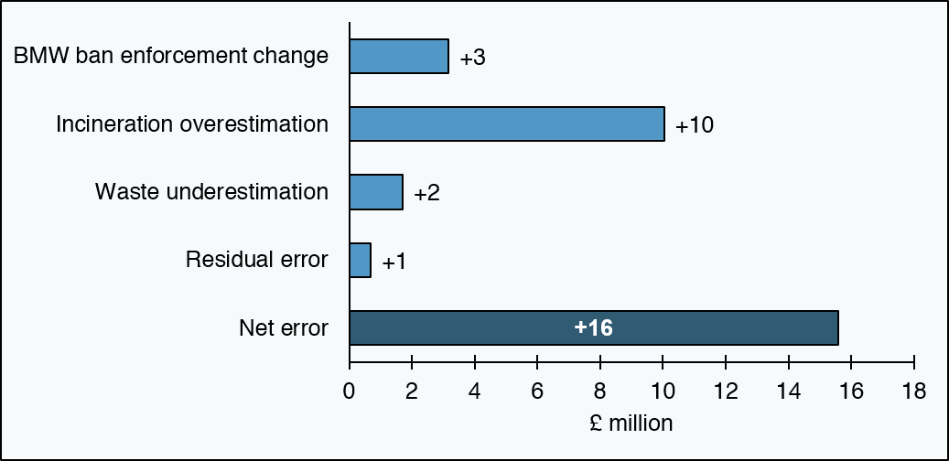

£ million | Decomposition
Outturn | 56
Net error | 16
Residual error | 1
Waste underestimation | 2
Incineration overestimation | 10
BMW ban enforcement change | 3
December 2024 forecast | 40
Source:
Scottish Fiscal Commission (2024) Scotland’s Economic and Fiscal Forecasts - December 2024,
Revenue Scotland (2026) Scottish Landfill Tax (SLfT) statistics - Q4 2025/26, January - March 2026 and annual trends.
Return to Table of Contents

Figure 4.2
Figure 4.2: Decomposition of December 2024 social security forecast error for 2025-26
Error was mainly because ADP and CDP spending were lower than forecast
This worksheet contains one chart and one table. The chart begins in cell A5. The table begins in cell A18. Notes are located below the table and begin in cell A28.
Description of Figure 4.2: Bar chart shows the main factors contributing to our social security forecast error. The largest factor is that spending on ADP and CDP was lower than forecast, and this is partly offset by additional spending due to in-year policy changes.
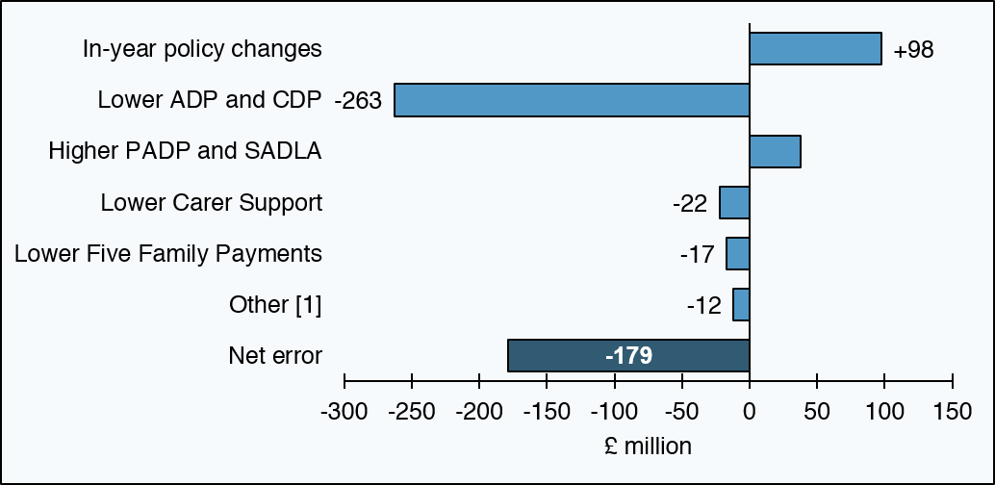

£ million | Decomposition
Provisional outturn | 6,751
Net error | -179
Other [1] | -12
Lower Five Family Payments | -17
Lower Carer Support | -22
Higher PADP and SADLA | 37
Lower ADP and CDP | -263
In-year policy changes | 98
December 2024 forecast | 6,930
Source:
Scottish Fiscal Commission (2024) Scotland’s Economic and Fiscal Forecasts – December 2024,
Scottish Government,
Social Security Scotland.
[1] ‘Other’ category is the sum of all errors too small to be included in the figure individually.
Return to Table of Contents

Figure 4.3
Figure 4.3: Authorised PIP and ADP applications in Scotland, April 2016 to April 2026
In 2025-26 the number of authorised ADP applications fell faster than we had forecast
This worksheet contains one chart and one table. The charts begin in cell A5. The table begins in cell A18. Notes are located below the table and begin in cell A21.
Description of Figure 4.3: Line chart showing forecast and actual monthly authorisations of ADP and PIP applications in Scotland. Following the spike in 2023-24, the number of authorisations fell faster than we had expected during 2025-26.
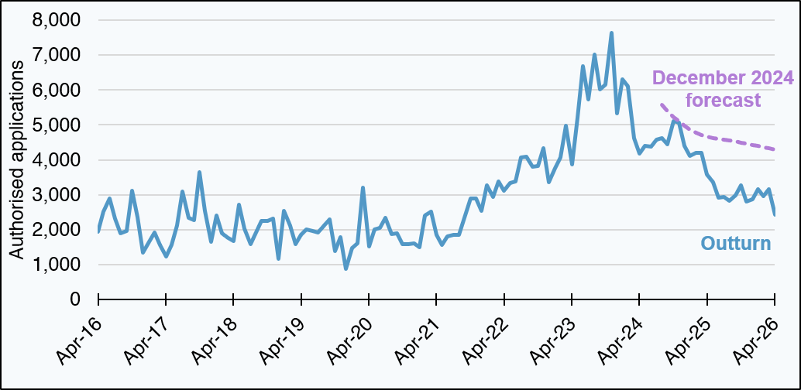

Authorised applications | Apr-16 | May-16 | Jun-16 | Jul-16 | Aug-16 | Sep-16 | Oct-16 | Nov-16 | Dec-16 | Jan-17 | Feb-17 | Mar-17 | Apr-17 | May-17 | Jun-17 | Jul-17 | Aug-17 | Sep-17 | Oct-17 | Nov-17 | Dec-17 | Jan-18 | Feb-18 | Mar-18 | Apr-18 | May-18 | Jun-18 | Jul-18 | Aug-18 | Sep-18 | Oct-18 | Nov-18 | Dec-18 | Jan-19 | Feb-19 | Mar-19 | Apr-19 | May-19 | Jun-19 | Jul-19 | Aug-19 | Sep-19 | Oct-19 | Nov-19 | Dec-19 | Jan-20 | Feb-20 | Mar-20 | Apr-20 | May-20 | Jun-20 | Jul-20 | Aug-20 | Sep-20 | Oct-20 | Nov-20 | Dec-20 | Jan-21 | Feb-21 | Mar-21 | Apr-21 | May-21 | Jun-21 | Jul-21 | Aug-21 | Sep-21 | Oct-21 | Nov-21 | Dec-21 | Jan-22 | Feb-22 | Mar-22 | Apr-22 | May-22 | Jun-22 | Jul-22 | Aug-22 | Sep-22 | Oct-22 | Nov-22 | Dec-22 | Jan-23 | Feb-23 | Mar-23 | Apr-23 | May-23 | Jun-23 | Jul-23 | Aug-23 | Sep-23 | Oct-23 | Nov-23 | Dec-23 | Jan-24 | Feb-24 | Mar-24 | Apr-24 | May-24 | Jun-24 | Jul-24 | Aug-24 | Sep-24 | Oct-24 | Nov-24 | Dec-24 | Jan-25 | Feb-25 | Mar-25 | Apr-25 | May-25 | Jun-25 | Jul-25 | Aug-25 | Sep-25 | Oct-25 | Nov-25 | Dec-25 | Jan-26 | Feb-26 | Mar-26 | Apr-26
Outturn | 1,934 | 2,517 | 2,899 | 2,321 | 1,889 | 1,954 | 3,118 | 2,360 | 1,331 | 1,660 | 1,915 | 1,557 | 1,234 | 1,553 | 2,120 | 3,088 | 2,340 | 2,276 | 3,648 | 2,549 | 1,652 | 2,410 | 1,900 | 1,771 | 1,674 | 2,718 | 2,023 | 1,593 | 1,928 | 2,244 | 2,255 | 2,316 | 1,155 | 2,530 | 2,117 | 1,587 | 1,841 | 2,015 | 1,952 | 1,926 | 2,090 | 2,301 | 1,389 | 1,776 | 874 | 1,470 | 1,610 | 3,213 | 1,511 | 2,003 | 2,052 | 2,330 | 1,876 | 1,886 | 1,580 | 1,577 | 1,603 | 1,504 | 2,415 | 2,522 | 1,853 | 1,565 | 1,797 | 1,841 | 1,853 | 2,338 | 2,894 | 2,893 | 2,529 | 3,270 | 2,929 | 3,390 | 3,117 | 3,331 | 3,370 | 4,069 | 4,093 | 3,805 | 3,829 | 4,343 | 3,355 | 3,765 | 4,063 | 4,971 | 3,874 | 5,198 | 6,680 | 5,728 | 7,013 | 6,015 | 6,159 | 7,647 | 5,332 | 6,304 | 6,103 | 4,629 | 4,173 | 4,401 | 4,387 | 4,567 | 4,632 | 4,442 | 5,104 | 5,063 | 4,390 | 4,120 | 4,190 | 4,206 | 3,578 | 3,355 | 2,920 | 2,930 | 2,826 | 2,980 | 3,265 | 2,796 | 2,865 | 3,161 | 2,966 | 3,155 | 2,436
December 2024 forecast | blank | blank | blank | blank | blank | blank | blank | blank | blank | blank | blank | blank | blank | blank | blank | blank | blank | blank | blank | blank | blank | blank | blank | blank | blank | blank | blank | blank | blank | blank | blank | blank | blank | blank | blank | blank | blank | blank | blank | blank | blank | blank | blank | blank | blank | blank | blank | blank | blank | blank | blank | blank | blank | blank | blank | blank | blank | blank | blank | blank | blank | blank | blank | blank | blank | blank | blank | blank | blank | blank | blank | blank | blank | blank | blank | blank | blank | blank | blank | blank | blank | blank | blank | blank | blank | blank | blank | blank | blank | blank | blank | blank | blank | blank | blank | blank | blank | blank | blank | blank | 5,568 | 5,395 | 5,230 | 5,110 | 4,985 | 4,856 | 4,768 | 4,704 | 4,660 | 4,624 | 4,595 | 4,574 | 4,555 | 4,537 | 4,500 | 4,463 | 4,427 | 4,393 | 4,358 | 4,324 | 4,291
Source:
Scottish Fiscal Commission,
Department for Work and Pensions (2026) Personal Independence Payment statistics to April 2026,
Social Security Scotland (2026) Adult Disability Payment statistics to 30 April 2026.
Return to Table of Contents

