Figure S3.1
Figure S3.1: Scottish Income Tax forecast performance
This worksheet contains one chart and one table. The chart begins in cell A4. The table begins in cell A17. Notes are located below the table and begin in cell A34.
Description of Figure S3.1: A line graph showing the December 2017 to January 2026 SFC forecasts for Scottish Income Tax and performance against outturn up to 2024-25.
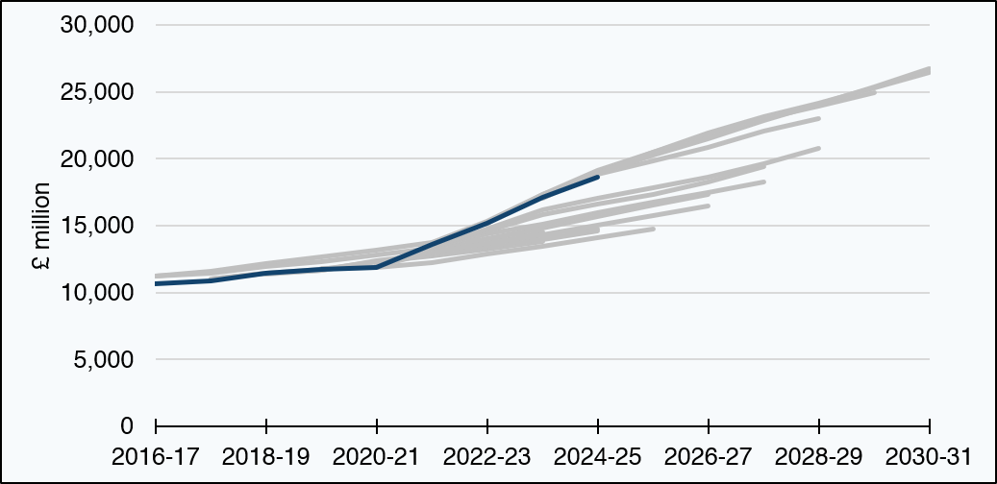

£ million | 2016-17 | 2017-18 | 2018-19 | 2019-20 | 2020-21 | 2021-22 | 2022-23 | 2023-24 | 2024-25 | 2025-26 | 2026-27 | 2027-28 | 2028-29 | 2029-30 | 2030-31
December 2017 | 11,214 | 11,584 | 12,177 | 12,647 | 13,152 | 13,733 | 14,372 | blank | blank | blank | blank | blank | blank | blank | blank
May 2018 | 11,267 | 11,467 | 11,969 | 12,345 | 12,805 | 13,335 | 13,936 | 14,547 | blank | blank | blank | blank | blank | blank | blank
December 2018 | blank | 11,008 | 11,452 | 11,684 | 12,285 | 12,746 | 13,242 | 13,805 | blank | blank | blank | blank | blank | blank | blank
May 2019 | blank | 11,005 | 11,486 | 11,703 | 12,332 | 12,831 | 13,374 | 13,985 | 14,613 | blank | blank | blank | blank | blank | blank
February 2020 | blank | blank | 11,378 | 11,677 | 12,365 | 12,897 | 13,447 | 14,059 | 14,722 | blank | blank | blank | blank | blank | blank
January 2021 | blank | blank | blank | 11,838 | 11,850 | 12,263 | 12,907 | 13,481 | 14,080 | 14,718 | blank | blank | blank | blank | blank
August 2021 | blank | blank | blank | blank | 11,938 | 13,162 | 14,069 | 14,845 | 15,660 | 16,556 | 17,348 | blank | blank | blank | blank
December 2021 | blank | blank | blank | blank | 11,938 | 13,002 | 13,671 | 14,313 | 15,056 | 15,790 | 16,445 | blank | blank | blank | blank
May 2022 | blank | blank | blank | blank | 12,118 | 13,342 | 14,386 | 15,143 | 15,954 | 16,754 | 17,484 | 18,298 | blank | blank | blank
December 2022 | blank | blank | blank | blank | blank | 13,337 | 14,575 | 15,810 | 16,633 | 17,370 | 18,247 | 19,437 | blank | blank | blank
May 2023 | blank | blank | blank | blank | blank | 13,387 | 14,764 | 16,210 | 17,080 | 17,808 | 18,591 | 19,646 | 20,799 | blank | blank
December 2023 | blank | blank | blank | blank | blank | 13,724 | 15,309 | 17,357 | 18,844 | 19,873 | 20,856 | 22,056 | 22,981 | blank | blank
December 2024 | blank | blank | blank | blank | blank | blank | 15,169 | 17,315 | 19,099 | 20,477 | 21,782 | 22,980 | 23,913 | 24,930 | blank
May 2025 | blank | blank | blank | blank | blank | blank | blank | 17,072 | 18,992 | 20,495 | 21,901 | 23,139 | 24,186 | 25,288 | 26,428
January 2026 | blank | blank | blank | blank | blank | blank | blank | blank | 18,941 | 20,280 | 21,508 | 22,828 | 24,051 | 25,398 | 26,769
Outturn | 10,655 | 10,845 | 11,476 | 11,750 | 11,859 | 13,607 | 15,169 | 17,093 | 18,635 | blank | blank | blank | blank | blank | blank
Source:
Scottish Fiscal Commission – Scotland’s Economic and Fiscal Forecasts,
HM Revenue and Customs (2026) Scottish Income Tax Outturn Statistics: 2024 to 2025.
The dark blue line represents outturn.
Return to Table of Contents

Figure S3.2
Figure S3.2: Non-Domestic Rates forecast performance
This worksheet contains one chart and one table. The chart begins in cell A4. The table begins in cell A17. Notes are located below the table and begin in cell A34.
Description of Figure S3.2: A line graph showing the December 2017 to January 2026 SFC forecasts for Non-Domestic Rates and performance against outturn up to 2025-26.
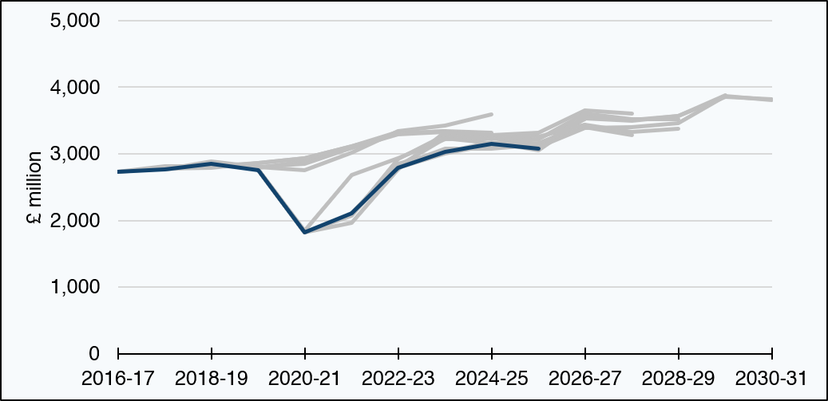

£ million | 2016-17 | 2017-18 | 2018-19 | 2019-20 | 2020-21 | 2021-22 | 2022-23 | 2023-24 | 2024-25 | 2025-26 | 2026-27 | 2027-28 | 2028-29 | 2029-30 | 2030-31
December 2017 | 2,731 | 2,810 | 2,812 | 2,867 | 2,939 | 3,117 | 3,331 | blank | blank | blank | blank | blank | blank | blank | blank
May 2018 | 2,731 | 2,774 | 2,788 | 2,859 | 2,931 | 3,110 | 3,307 | 3,339 | blank | blank | blank | blank | blank | blank | blank
December 2018 | blank | 2,762 | 2,827 | 2,785 | 2,887 | 3,087 | 3,295 | 3,332 | blank | blank | blank | blank | blank | blank | blank
May 2019 | blank | 2,762 | 2,885 | 2,803 | 2,853 | 3,090 | 3,301 | 3,338 | 3,318 | blank | blank | blank | blank | blank | blank
February 2020 | blank | blank | 2,847 | 2,806 | 2,749 | 3,012 | 3,345 | 3,423 | 3,590 | blank | blank | blank | blank | blank | blank
January 2021 | blank | blank | blank | 2,761 | 1,848 | 2,680 | 2,930 | 3,224 | 3,231 | 3,216 | blank | blank | blank | blank | blank
August 2021 | blank | blank | blank | 2,753 | 1,816 | 2,073 | 2,927 | 3,280 | 3,285 | 3,263 | 3,435 | blank | blank | blank | blank
December 2021 | blank | blank | blank | 2,753 | 1,816 | 2,083 | 2,809 | 3,233 | 3,167 | 3,231 | 3,519 | blank | blank | blank | blank
May 2022 | blank | blank | blank | blank | 1,816 | 1,966 | 2,770 | 3,333 | 3,276 | 3,323 | 3,651 | 3,601 | blank | blank | blank
December 2022 | blank | blank | blank | blank | blank | 2,108 | 2,818 | 3,075 | 3,080 | 3,135 | 3,405 | 3,286 | blank | blank | blank
May 2023 | blank | blank | blank | blank | blank | 2,108 | 2,848 | 3,046 | 3,133 | 3,158 | 3,437 | 3,328 | 3,374 | blank | blank
December 2023 | blank | blank | blank | blank | blank | blank | 2,792 | 3,007 | 3,143 | 3,219 | 3,600 | 3,522 | 3,517 | blank | blank
December 2024 | blank | blank | blank | blank | blank | blank | blank | 3,033 | 3,175 | 3,052 | 3,535 | 3,500 | 3,567 | 3,879 | blank
May 2025 | blank | blank | blank | blank | blank | blank | blank | 3,033 | 3,155 | 3,099 | 3,551 | 3,510 | 3,564 | 3,861 | 3,825
January 2026 | blank | blank | blank | blank | blank | blank | blank | blank | 3,146 | 3,097 | 3,387 | 3,396 | 3,464 | 3,867 | 3,811
Outturn [1] | 2,731 | 2,762 | 2,847 | 2,753 | 1,816 | 2,108 | 2,792 | 3,033 | 3,146 | 3,079 | blank | blank | blank | blank | blank
Source:
Scottish Fiscal Commission – Scotland’s Economic and Fiscal Forecasts,
Scottish Government – Non-domestic rates income statistics.
The dark blue line represents outturn.
[1] For 2023-24, 2024-25 and 2025-26, the outturn figures may change once the final audited figures are available.
Return to Table of Contents

Figure S3.3
Figure S3.3: Total Land and Buildings Transaction Tax (LBTT) forecast performance
This worksheet contains one chart and one table. The chart begins in cell A4. The table begins in cell A17. Notes are located below the table and begin in cell A34.
Description of Figure S3.3: A line graph showing the December 2017 to January 2026 SFC forecasts for total Land and Buildings Transaction Tax and performance against outturn up to 2025-26.
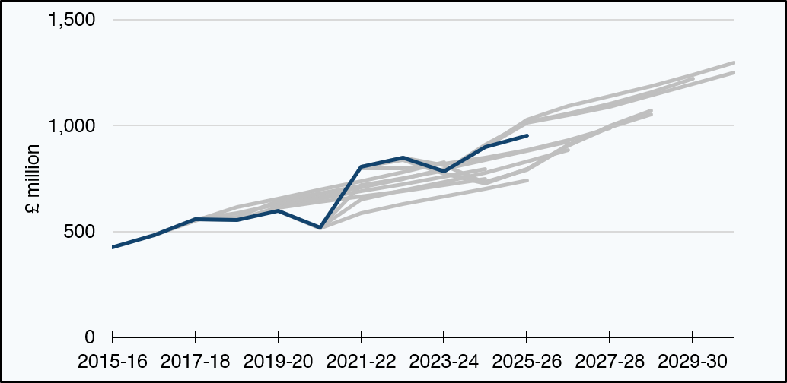

£ million | 2015-16 | 2016-17 | 2017-18 | 2018-19 | 2019-20 | 2020-21 | 2021-22 | 2022-23 | 2023-24 | 2024-25 | 2025-26 | 2026-27 | 2027-28 | 2028-29 | 2029-30 | 2030-31
December 2017 | blank | 484 | 557 | 588 | 628 | 668 | 707 | 748 | blank | blank | blank | blank | blank | blank | blank | blank
May 2018 | blank | 484 | 550 | 614 | 656 | 697 | 738 | 781 | 827 | blank | blank | blank | blank | blank | blank | blank
December 2018 | blank | blank | 557 | 569 | 643 | 680 | 716 | 751 | 787 | blank | blank | blank | blank | blank | blank | blank
May 2019 | blank | blank | 557 | 553 | 616 | 655 | 691 | 724 | 759 | 794 | blank | blank | blank | blank | blank | blank
February 2020 | blank | blank | blank | 554 | 613 | 641 | 666 | 692 | 720 | 749 | blank | blank | blank | blank | blank | blank
January 2021 | blank | blank | blank | blank | 597 | 517 | 586 | 629 | 664 | 701 | 740 | blank | blank | blank | blank | blank
August 2021 | blank | blank | blank | blank | blank | 517 | 653 | 694 | 733 | 777 | 829 | 886 | blank | blank | blank | blank
December 2021 | blank | blank | blank | blank | blank | 517 | 720 | 749 | 796 | 839 | 881 | 924 | blank | blank | blank | blank
May 2022 | blank | blank | blank | blank | blank | blank | 799 | 797 | 821 | 849 | 886 | 932 | 987 | blank | blank | blank
December 2022 | blank | blank | blank | blank | blank | blank | 807 | 850 | 774 | 728 | 794 | 910 | 995 | blank | blank | blank
May 2023 | blank | blank | blank | blank | blank | blank | 807 | 840 | 772 | 733 | 792 | 905 | 992 | 1,053 | blank | blank
December 2023 | blank | blank | blank | blank | blank | blank | blank | 848 | 813 | 730 | 795 | 907 | 998 | 1,072 | blank | blank
December 2024 | blank | blank | blank | blank | blank | blank | blank | blank | 784 | 911 | 1,019 | 1,058 | 1,102 | 1,158 | 1,223 | blank
May 2025 | blank | blank | blank | blank | blank | blank | blank | blank | 784 | 898 | 1,029 | 1,093 | 1,138 | 1,187 | 1,240 | 1,297
January 2026 | blank | blank | blank | blank | blank | blank | blank | blank | blank | 899 | 1,014 | 1,049 | 1,090 | 1,141 | 1,195 | 1,251
Outturn | 425 | 484 | 557 | 554 | 597 | 517 | 807 | 848 | 784 | 899 | 952 | blank | blank | blank | blank | blank
Source:
Scottish Fiscal Commission – Scotland’s Economic and Fiscal Forecasts,
Scottish Government (2026) Fiscal framework data annex: March 2026,
Revenue Scotland (2025) Provisional Outturn Data 2025/26,
Revenue Scotland - Annual Report and Accounts - Devolved Taxes Accounts.
LBTT revenue is net of ADS repayments, excludes penalties and interest, and also excludes revenue losses.
Outturn may change once final audited figures are available.
The dark blue line represents outturn.
Return to Table of Contents

Figure S3.4
Figure S3.4: Residential LBTT (excluding ADS) forecast performance
This worksheet contains one chart and one table. The chart begins in cell A4. The table begins in cell A17. Notes are located below the table and begin in cell A34.
Description of Figure S3.4: A line graph showing the December 2017 to January 2026 SFC forecasts for residential Land and Buildings Transaction Tax (excluding ADS) and performance against outturn up to 2025-26.
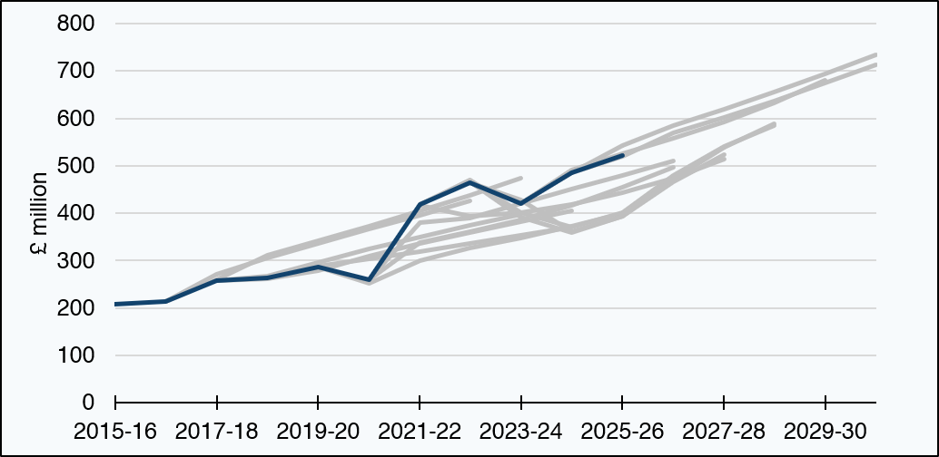

£ million | 2015-16 | 2016-17 | 2017-18 | 2018-19 | 2019-20 | 2020-21 | 2021-22 | 2022-23 | 2023-24 | 2024-25 | 2025-26 | 2026-27 | 2027-28 | 2028-29 | 2029-30 | 2030-31
December 2017 | blank | 214 | 271 | 305 | 336 | 366 | 395 | 426 | blank | blank | blank | blank | blank | blank | blank | blank
May 2018 | blank | 214 | 259 | 312 | 342 | 373 | 405 | 438 | 473 | blank | blank | blank | blank | blank | blank | blank
December 2018 | blank | blank | 258 | 267 | 296 | 324 | 349 | 373 | 398 | blank | blank | blank | blank | blank | blank | blank
May 2019 | blank | blank | 258 | 262 | 279 | 310 | 336 | 359 | 382 | 405 | blank | blank | blank | blank | blank | blank
February 2020 | blank | blank | blank | 262 | 288 | 303 | 319 | 336 | 354 | 371 | blank | blank | blank | blank | blank | blank
January 2021 | blank | blank | blank | blank | 287 | 251 | 299 | 325 | 347 | 372 | 398 | blank | blank | blank | blank | blank
August 2021 | blank | blank | blank | blank | blank | 260 | 338 | 360 | 385 | 417 | 455 | 497 | blank | blank | blank | blank
December 2021 | blank | blank | blank | blank | blank | 260 | 380 | 390 | 420 | 451 | 480 | 510 | blank | blank | blank | blank
May 2022 | blank | blank | blank | blank | blank | blank | 417 | 394 | 402 | 418 | 442 | 475 | 514 | blank | blank | blank
December 2022 | blank | blank | blank | blank | blank | blank | 418 | 465 | 392 | 360 | 394 | 467 | 524 | blank | blank | blank
May 2023 | blank | blank | blank | blank | blank | blank | 418 | 469 | 401 | 371 | 402 | 480 | 541 | 585 | blank | blank
December 2023 | blank | blank | blank | blank | blank | blank | blank | 465 | 427 | 361 | 393 | 472 | 539 | 589 | blank | blank
December 2024 | blank | blank | blank | blank | blank | blank | blank | blank | 421 | 491 | 525 | 559 | 592 | 633 | 680 | blank
May 2025 | blank | blank | blank | blank | blank | blank | blank | blank | 421 | 485 | 520 | 569 | 602 | 637 | 674 | 713
January 2026 | blank | blank | blank | blank | blank | blank | blank | blank | blank | 485 | 543 | 584 | 619 | 656 | 694 | 734
Outturn | 208 | 214 | 258 | 262 | 287 | 260 | 418 | 465 | 421 | 485 | 522 | blank | blank | blank | blank | blank
Source:
Scottish Fiscal Commission – Scotland’s Economic and Fiscal Forecasts,
Scottish Government (2026) Fiscal framework data annex: March 2026,
Revenue Scotland (2025) Provisional Outturn Data 2025/26,
Revenue Scotland - Annual Report and Accounts - Devolved Taxes Accounts.
LBTT revenue is net of ADS repayments, excludes penalties and interest, and also excludes revenue losses.
Outturn may change once final audited figures are available.
The dark blue line represents outturn.
Return to Table of Contents

Figure S3.5
Figure S3.5: Additional Dwelling Supplement (ADS) forecast performance
This worksheet contains one chart and one table. The chart begins in cell A4. The table begins in cell A17. Notes are located below the table and begin in cell A34.
Description of Figure S3.5: A line graph showing the December 2017 to January 2026 SFC forecasts for Additional Dwelling Supplement and performance against outturn up to 2025-26.
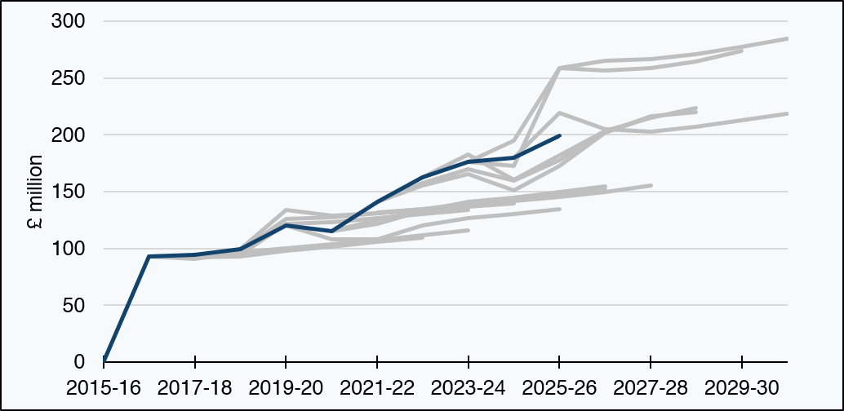

£ million | 2015-16 | 2016-17 | 2017-18 | 2018-19 | 2019-20 | 2020-21 | 2021-22 | 2022-23 | 2023-24 | 2024-25 | 2025-26 | 2026-27 | 2027-28 | 2028-29 | 2029-30 | 2030-31
December 2017 | blank | 93 | 93 | 93 | 98 | 102 | 106 | 110 | blank | blank | blank | blank | blank | blank | blank | blank
May 2018 | blank | 93 | 91 | 97 | 100 | 104 | 108 | 112 | 116 | blank | blank | blank | blank | blank | blank | blank
December 2018 | blank | blank | 95 | 94 | 122 | 123 | 127 | 130 | 134 | blank | blank | blank | blank | blank | blank | blank
May 2019 | blank | blank | 95 | 98 | 126 | 127 | 131 | 134 | 138 | 141 | blank | blank | blank | blank | blank | blank
February 2020 | blank | blank | blank | 99 | 134 | 129 | 131 | 134 | 137 | 140 | blank | blank | blank | blank | blank | blank
January 2021 | blank | blank | blank | blank | 120 | 108 | 108 | 120 | 127 | 131 | 134 | blank | blank | blank | blank | blank
August 2021 | blank | blank | blank | blank | blank | 115 | 121 | 133 | 140 | 144 | 149 | 155 | blank | blank | blank | blank
December 2021 | blank | blank | blank | blank | blank | 115 | 125 | 133 | 141 | 145 | 148 | 152 | blank | blank | blank | blank
May 2022 | blank | blank | blank | blank | blank | blank | 132 | 134 | 139 | 142 | 145 | 150 | 155 | blank | blank | blank
December 2022 | blank | blank | blank | blank | blank | blank | 141 | 155 | 165 | 151 | 172 | 202 | 216 | blank | blank | blank
May 2023 | blank | blank | blank | blank | blank | blank | 141 | 158 | 170 | 160 | 178 | 202 | 216 | 220 | blank | blank
December 2023 | blank | blank | blank | blank | blank | blank | blank | 163 | 183 | 160 | 182 | 203 | 215 | 224 | blank | blank
December 2024 | blank | blank | blank | blank | blank | blank | blank | blank | 176 | 195 | 258 | 256 | 259 | 265 | 274 | blank
May 2025 | blank | blank | blank | blank | blank | blank | blank | blank | 176 | 172 | 259 | 265 | 267 | 271 | 277 | 284
January 2026 | blank | blank | blank | blank | blank | blank | blank | blank | blank | 180 | 220 | 205 | 202 | 207 | 213 | 218
Outturn | 0 | 93 | 95 | 99 | 120 | 115 | 141 | 163 | 176 | 180 | 199 | blank | blank | blank | blank | blank
Source:
Scottish Fiscal Commission – Scotland’s Economic and Fiscal Forecasts,
Scottish Government (2026) Fiscal framework data annex: March 2026,
Revenue Scotland (2025) Provisional Outturn Data 2025/26,
Revenue Scotland - Annual Report and Accounts - Devolved Taxes Accounts.
LBTT revenue is net of ADS repayments, excludes penalties and interest, and also excludes revenue losses.
Outturn may change once final audited figures are available.
The dark blue line represents outturn.
Return to Table of Contents

Figure S3.6
Figure S3.6: Non-residential LBTT forecast performance
This worksheet contains one chart and one table. The chart begins in cell A4. The table begins in cell A17. Notes are located below the table and begin in cell A34.
Description of Figure S3.6: A line graph showing the December 2017 to January 2026 SFC forecasts for non-residential Land and Buildings Transaction Tax and performance against outturn up to 2025-26.
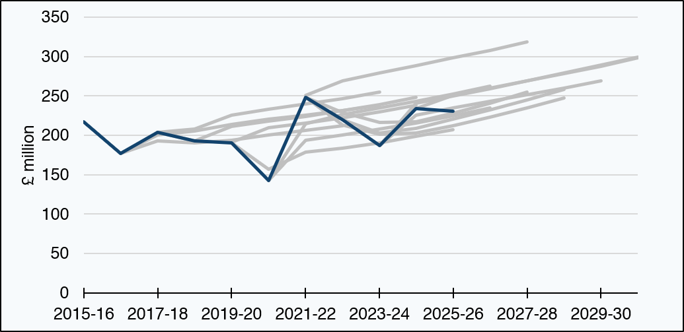

£ million | 2015-16 | 2016-17 | 2017-18 | 2018-19 | 2019-20 | 2020-21 | 2021-22 | 2022-23 | 2023-24 | 2024-25 | 2025-26 | 2026-27 | 2027-28 | 2028-29 | 2029-30 | 2030-31
December 2017 | blank | 177 | 193 | 190 | 194 | 200 | 206 | 212 | blank | blank | blank | blank | blank | blank | blank | blank
May 2018 | blank | 177 | 201 | 206 | 214 | 220 | 226 | 231 | 238 | blank | blank | blank | blank | blank | blank | blank
December 2018 | blank | blank | 204 | 208 | 226 | 233 | 240 | 247 | 255 | blank | blank | blank | blank | blank | blank | blank
May 2019 | blank | blank | 204 | 193 | 211 | 218 | 224 | 231 | 239 | 248 | blank | blank | blank | blank | blank | blank
February 2020 | blank | blank | blank | 193 | 191 | 209 | 216 | 222 | 230 | 238 | blank | blank | blank | blank | blank | blank
January 2021 | blank | blank | blank | blank | 190 | 157 | 178 | 184 | 190 | 199 | 207 | blank | blank | blank | blank | blank
August 2021 | blank | blank | blank | blank | blank | 143 | 194 | 201 | 208 | 216 | 225 | 235 | blank | blank | blank | blank
December 2021 | blank | blank | blank | blank | blank | 143 | 215 | 226 | 235 | 243 | 253 | 262 | blank | blank | blank | blank
May 2022 | blank | blank | blank | blank | blank | blank | 251 | 269 | 280 | 289 | 298 | 308 | 319 | blank | blank | blank
December 2022 | blank | blank | blank | blank | blank | blank | 248 | 229 | 216 | 218 | 228 | 241 | 255 | blank | blank | blank
May 2023 | blank | blank | blank | blank | blank | blank | 248 | 213 | 202 | 203 | 212 | 223 | 235 | 248 | blank | blank
December 2023 | blank | blank | blank | blank | blank | blank | blank | 220 | 203 | 209 | 220 | 232 | 245 | 259 | blank | blank
December 2024 | blank | blank | blank | blank | blank | blank | blank | blank | 187 | 226 | 235 | 243 | 252 | 260 | 269 | blank
May 2025 | blank | blank | blank | blank | blank | blank | blank | blank | 187 | 241 | 250 | 259 | 269 | 279 | 289 | 300
January 2026 | blank | blank | blank | blank | blank | blank | blank | blank | blank | 234 | 251 | 260 | 269 | 278 | 288 | 298
Outturn | 217 | 177 | 204 | 193 | 190 | 143 | 248 | 220 | 187 | 234 | 231 | blank | blank | blank | blank | blank
Source:
Scottish Fiscal Commission – Scotland’s Economic and Fiscal Forecasts,
Scottish Government (2026) Fiscal framework data annex: March 2026,
Revenue Scotland (2025) Provisional Outturn Data 2025/26,
Revenue Scotland - Annual Report and Accounts - Devolved Taxes Accounts.
LBTT revenue is net of ADS repayments, excludes penalties and interest, and also excludes revenue losses.
Outturn may change once final audited figures are available.
The dark blue line represents outturn.
Return to Table of Contents

Figure S3.7
Figure S3.7: Scottish Landfill Tax forecast performance
This worksheet contains one chart and one table. The chart begins in cell A4. The table begins in cell A17. Notes are located below the table and begin in cell A34.
Description of Figure S3.7: A line graph showing the December 2017 to January 2026 SFC forecasts for Scottish Landfill Tax and performance against outturn up to 2025-26.
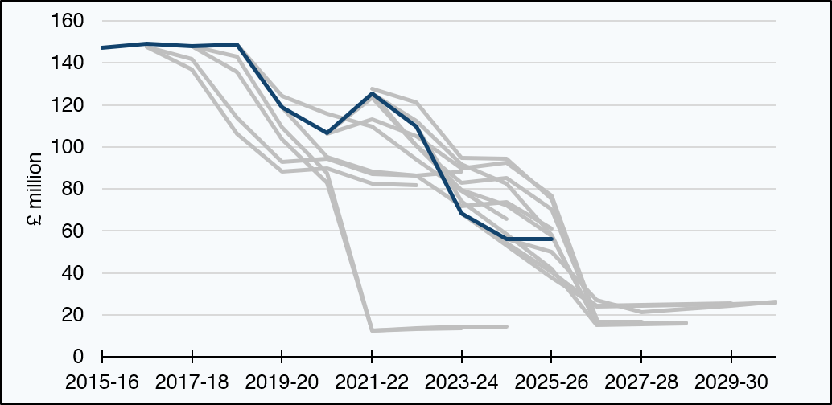

£ million | 2015-16 | 2016-17 | 2017-18 | 2018-19 | 2019-20 | 2020-21 | 2021-22 | 2022-23 | 2023-24 | 2024-25 | 2025-26 | 2026-27 | 2027-28 | 2028-29 | 2029-30 | 2030-31
December 2017 | blank | 148 | 137 | 106 | 88 | 90 | 82 | 82 | blank | blank | blank | blank | blank | blank | blank | blank
May 2018 | blank | 148 | 142 | 114 | 93 | 95 | 87 | 87 | 88 | blank | blank | blank | blank | blank | blank | blank
December 2018 | blank | blank | 148 | 136 | 104 | 83 | 13 | 13 | 14 | blank | blank | blank | blank | blank | blank | blank
May 2019 | blank | blank | 148 | 143 | 109 | 87 | 12 | 14 | 15 | 15 | blank | blank | blank | blank | blank | blank
February 2020 | blank | blank | blank | 149 | 124 | 116 | 110 | 94 | 79 | 66 | blank | blank | blank | blank | blank | blank
January 2021 | blank | blank | blank | blank | 119 | 95 | 88 | 86 | 72 | 74 | 61 | blank | blank | blank | blank | blank
August 2021 | blank | blank | blank | blank | blank | 106 | 113 | 105 | 90 | 92 | 77 | 18 | blank | blank | blank | blank
December 2021 | blank | blank | blank | blank | blank | 107 | 123 | 101 | 83 | 85 | 70 | 18 | blank | blank | blank | blank
May 2022 | blank | blank | blank | blank | blank | blank | 128 | 121 | 95 | 94 | 75 | 16 | 17 | blank | blank | blank
December 2022 | blank | blank | blank | blank | blank | blank | 125 | 101 | 79 | 72 | 58 | 16 | 16 | blank | blank | blank
May 2023 | blank | blank | blank | blank | blank | blank | 125 | 112 | 92 | 83 | 58 | 16 | 16 | 16 | blank | blank
December 2023 | blank | blank | blank | blank | blank | blank | blank | 110 | 74 | 58 | 42 | 15 | 16 | 16 | blank | blank
December 2024 | blank | blank | blank | blank | blank | blank | blank | blank | 68 | 54 | 40 | 24 | 25 | 25 | 26 | blank
May 2025 | blank | blank | blank | blank | blank | blank | blank | blank | 68 | 53 | 38 | 24 | 24 | 25 | 25 | 26
January 2026 | blank | blank | blank | blank | blank | blank | blank | blank | blank | 56 | 50 | 27 | 21 | 23 | 24 | 26
Outturn | 147 | 149 | 148 | 149 | 119 | 107 | 125 | 110 | 68 | 56 | 56 | blank | blank | blank | blank | blank
Source:
Scottish Fiscal Commission – Scotland’s Economic and Fiscal Forecasts,
Scottish Government (2026) Fiscal framework data annex: March 2026,
Revenue Scotland (2025) Provisional Outturn Data 2025/26.
The dark blue line represents outturn.
Return to Table of Contents

