S2.12
Figure S2.12: SFC real GDP forecast performance
This worksheet contains one chart and one table. The chart begins in cell A4. The table begins in cell A17. Notes are located below the table and begin in cell A34.
Description of Figure S2.12: A line graph showing the December 2017 to January 2026 SFC forecasts for GDP and performance against outturn up to 2025-26.
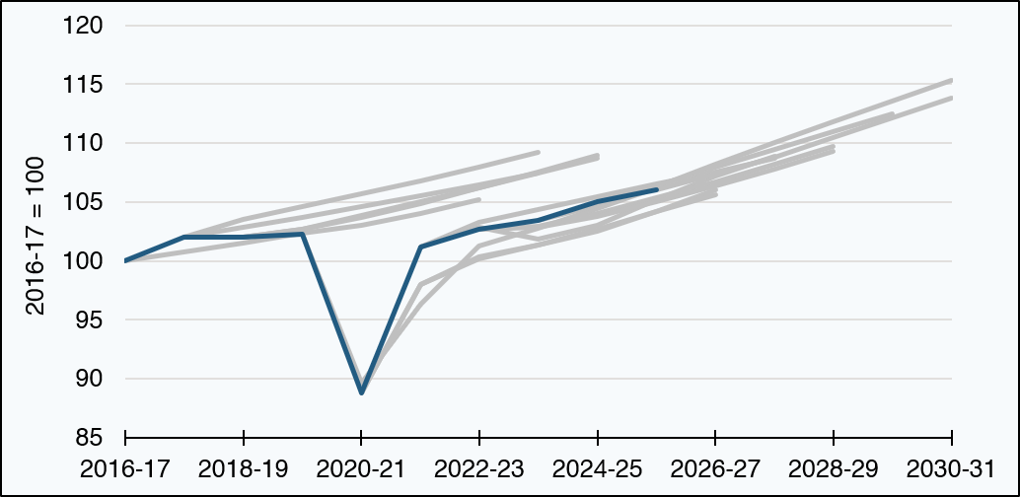

Forecasts | 2016-17 | 2017-18 | 2018-19 | 2019-20 | 2020-21 | 2021-22 | 2022-23 | 2023-24 | 2024-25 | 2025-26 | 2026-27 | 2027-28 | 2028-29 | 2029-30 | 2030-31
December 2017 | 100.0 | 100.7 | 101.5 | 102.4 | 103.0 | 104.0 | 105.2 | blank | blank | blank | blank | blank | blank | blank | blank
May 2018 | blank | 102.1 | 102.8 | 103.7 | 104.6 | 105.5 | 106.5 | 107.5 | blank | blank | blank | blank | blank | blank | blank
December 2018 | blank | 102.1 | 103.5 | 104.6 | 105.7 | 106.8 | 108.0 | 109.2 | blank | blank | blank | blank | blank | blank | blank
May 2019 | blank | blank | 102.0 | 102.7 | 103.7 | 104.9 | 106.2 | 107.5 | 108.9 | blank | blank | blank | blank | blank | blank
February 2020 | blank | blank | 102.0 | 102.7 | 103.8 | 105.0 | 106.2 | 107.5 | 108.7 | blank | blank | blank | blank | blank | blank
January 2021 | blank | blank | blank | 102.3 | 89.6 | 96.3 | 101.3 | 102.8 | 104.5 | 106.2 | blank | blank | blank | blank | blank
August 2021 | blank | blank | blank | blank | 88.8 | 98.0 | 100.4 | 101.3 | 102.5 | 104.2 | 106.0 | blank | blank | blank | blank
December 2021 | blank | blank | blank | blank | 88.8 | 98.0 | 100.2 | 101.3 | 102.7 | 104.2 | 105.6 | blank | blank | blank | blank
May 2022 | blank | blank | blank | blank | blank | 101.2 | 103.3 | 104.4 | 105.5 | 106.5 | 107.5 | 108.7 | blank | blank | blank
December 2022 | blank | blank | blank | blank | blank | 101.2 | 102.9 | 101.9 | 103.1 | 105.2 | 107.2 | 108.9 | blank | blank | blank
May 2023 | blank | blank | blank | blank | blank | blank | 102.7 | 103.0 | 104.0 | 105.4 | 106.7 | 108.2 | 109.7 | blank | blank
December 2023 | blank | blank | blank | blank | blank | blank | 102.7 | 102.9 | 103.7 | 105.0 | 106.4 | 107.8 | 109.3 | blank | blank
December 2024 | blank | blank | blank | blank | blank | blank | blank | 103.5 | 104.7 | 106.4 | 108.0 | 109.5 | 111.0 | 112.5 | blank
May 2025 | blank | blank | blank | blank | blank | blank | blank | blank | 105.0 | 106.3 | 108.2 | 110.0 | 111.8 | 113.6 | 115.3
January 2026 | blank | blank | blank | blank | blank | blank | blank | blank | blank | 106.0 | 107.4 | 108.8 | 110.5 | 112.1 | 113.8
Outturn data | 100.0 | 102.1 | 102.0 | 102.3 | 88.8 | 101.2 | 102.7 | 103.5 | 105.0 | 106.0 | blank | blank | blank | blank | blank
Source:
Scottish Fiscal Commission – Scotland’s Economic and Fiscal Forecasts,
Scottish Government (2026) GDP Quarterly National Accounts: 2026 Quarter 1 (January to March).
Growth rates from previous forecasts have been applied to the latest outturn data. Because of revisions to outturn data over time, there may be small differences in levels between the values used in these charts and the forecasts at the time of publication.
The dark blue line represents outturn.
Return to Contents

S2.13
Figure S2.13: SFC trend productivity forecast performance
This worksheet contains one chart and one table. The chart begins in cell A4. The table begins in cell A17. Notes are located below the table and begin in cell A34.
Description of Figure S2.13: A line graph showing the December 2017 to January 2026 SFC forecasts for labour productivity and performance against outturn up to 2025-26.
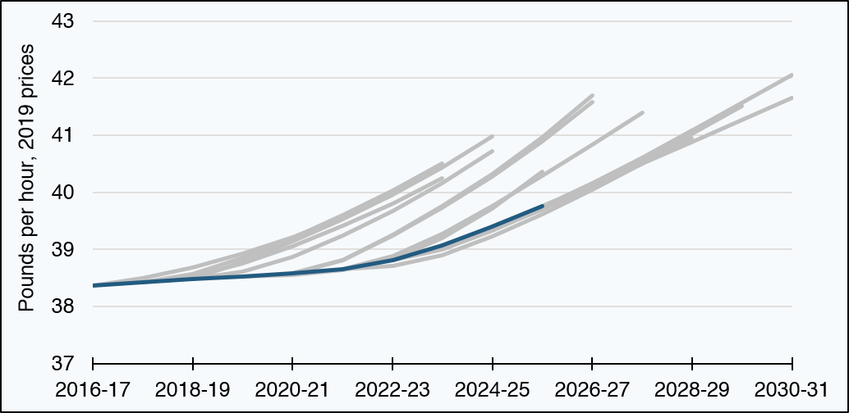

Forecasts | 2016-17 | 2017-18 | 2018-19 | 2019-20 | 2020-21 | 2021-22 | 2022-23 | 2023-24 | 2024-25 | 2025-26 | 2026-27 | 2027-28 | 2028-29 | 2029-30 | 2030-31
December 2017 | 38.4 | 38.5 | 38.7 | 38.9 | 39.2 | 39.6 | 40.0 | blank | blank | blank | blank | blank | blank | blank | blank
May 2018 | blank | 38.4 | 38.5 | 38.7 | 39.1 | 39.4 | 39.8 | 40.2 | blank | blank | blank | blank | blank | blank | blank
December 2018 | blank | 38.4 | 38.6 | 38.9 | 39.2 | 39.6 | 40.0 | 40.5 | blank | blank | blank | blank | blank | blank | blank
May 2019 | blank | blank | 38.5 | 38.8 | 39.1 | 39.5 | 40.0 | 40.4 | 41.0 | blank | blank | blank | blank | blank | blank
February 2020 | blank | blank | 38.5 | 38.6 | 38.9 | 39.2 | 39.7 | 40.2 | 40.7 | blank | blank | blank | blank | blank | blank
January 2021 | blank | blank | blank | 38.5 | 38.6 | 38.6 | 38.8 | 39.2 | 39.7 | 40.4 | blank | blank | blank | blank | blank
August 2021 | blank | blank | blank | blank | 38.6 | 38.8 | 39.3 | 39.8 | 40.3 | 41.0 | 41.7 | blank | blank | blank | blank
December 2021 | blank | blank | blank | blank | 38.6 | 38.8 | 39.2 | 39.7 | 40.3 | 40.9 | 41.6 | blank | blank | blank | blank
May 2022 | blank | blank | blank | blank | blank | 38.7 | 38.9 | 39.3 | 39.8 | 40.3 | 40.8 | 41.4 | blank | blank | blank
December 2022 | blank | blank | blank | blank | blank | 38.7 | 38.7 | 38.9 | 39.2 | 39.6 | 40.0 | 40.5 | blank | blank | blank
May 2023 | blank | blank | blank | blank | blank | blank | 38.8 | 39.0 | 39.3 | 39.7 | 40.1 | 40.6 | 41.1 | blank | blank
December 2023 | blank | blank | blank | blank | blank | blank | 38.8 | 39.0 | 39.3 | 39.7 | 40.1 | 40.5 | 40.9 | blank | blank
December 2024 | blank | blank | blank | blank | blank | blank | blank | 39.1 | 39.4 | 39.7 | 40.1 | 40.6 | 41.0 | 41.5 | blank
May 2025 | blank | blank | blank | blank | blank | blank | blank | blank | 39.4 | 39.8 | 40.2 | 40.6 | 41.1 | 41.6 | 42.1
January 2026 | blank | blank | blank | blank | blank | blank | blank | blank | blank | 39.8 | 40.1 | 40.5 | 40.9 | 41.3 | 41.7
Outturn data [1] | 38.4 | 38.4 | 38.5 | 38.5 | 38.6 | 38.7 | 38.8 | 39.1 | 39.4 | 39.8 | blank | blank | blank | blank | blank
Source:
Scottish Fiscal Commission – Scotland’s Economic and Fiscal Forecasts.
Growth rates from previous forecasts have been applied to the latest outturn data. Because of revisions to outturn data over time, there may be small differences in levels between the values used in these charts and the forecasts at the time of publication.
The dark blue line represents outturn.
[1] Outturn data is the SFC estimate of the trend of QNAS GDP in 2019 prices divided by APS total hours worked, as at the time of our January 2026 forecast.
Return to Contents

S2.14
Figure S2.14: SFC employment forecast performance
This worksheet contains one chart and one table. The chart begins in cell A4. The table begins in cell A17. Notes are located below the table and begin in cell A34.
Description of Figure S2.14: A line graph showing the December 2017 to January 2026 SFC forecasts for employment and performance against outturn up to 2025-26.
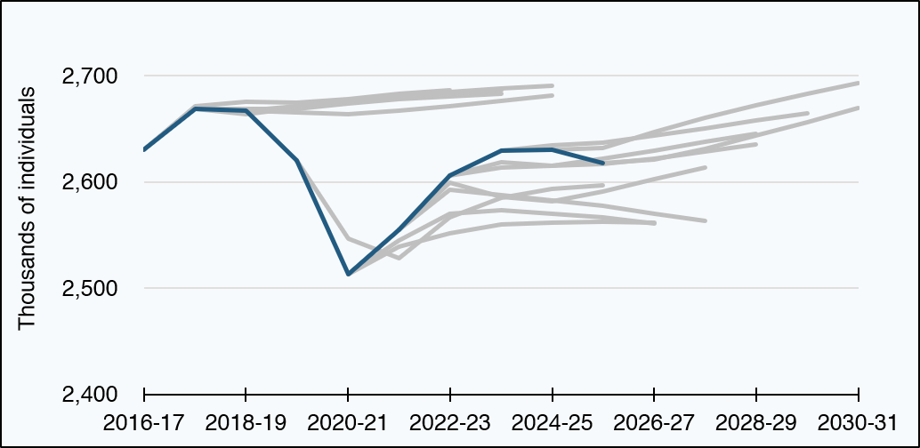

Forecasts | 2016-17 | 2017-18 | 2018-19 | 2019-20 | 2020-21 | 2021-22 | 2022-23 | 2023-24 | 2024-25 | 2025-26 | 2026-27 | 2027-28 | 2028-29 | 2029-30 | 2030-31
December 2017 | 2,631 | 2,672 | 2,676 | 2,675 | 2,678 | 2,683 | 2,687 | blank | blank | blank | blank | blank | blank | blank | blank
May 2018 | blank | 2,669 | 2,669 | 2,669 | 2,674 | 2,678 | 2,681 | 2,683 | blank | blank | blank | blank | blank | blank | blank
December 2018 | blank | 2,669 | 2,664 | 2,670 | 2,675 | 2,680 | 2,683 | 2,686 | blank | blank | blank | blank | blank | blank | blank
May 2019 | blank | blank | 2,667 | 2,671 | 2,676 | 2,682 | 2,685 | 2,688 | 2,691 | blank | blank | blank | blank | blank | blank
February 2020 | blank | blank | 2,667 | 2,666 | 2,664 | 2,667 | 2,672 | 2,676 | 2,682 | blank | blank | blank | blank | blank | blank
January 2021 | blank | blank | blank | 2,620 | 2,547 | 2,528 | 2,567 | 2,585 | 2,594 | 2,597 | blank | blank | blank | blank | blank
August 2021 | blank | blank | blank | blank | 2,513 | 2,539 | 2,552 | 2,560 | 2,562 | 2,563 | 2,562 | blank | blank | blank | blank
December 2021 | blank | blank | blank | blank | 2,513 | 2,545 | 2,570 | 2,573 | 2,571 | 2,567 | 2,561 | blank | blank | blank | blank
May 2022 | blank | blank | blank | blank | blank | 2,555 | 2,593 | 2,587 | 2,583 | 2,577 | 2,570 | 2,563 | blank | blank | blank
December 2022 | blank | blank | blank | blank | blank | 2,555 | 2,599 | 2,586 | 2,582 | 2,591 | 2,602 | 2,614 | blank | blank | blank
May 2023 | blank | blank | blank | blank | blank | blank | 2,606 | 2,614 | 2,615 | 2,622 | 2,629 | 2,638 | 2,646 | blank | blank
December 2023 | blank | blank | blank | blank | blank | blank | 2,606 | 2,619 | 2,615 | 2,617 | 2,622 | 2,629 | 2,635 | blank | blank
December 2024 | blank | blank | blank | blank | blank | blank | blank | 2,629 | 2,635 | 2,637 | 2,644 | 2,651 | 2,658 | 2,665 | blank
May 2025 | blank | blank | blank | blank | blank | blank | blank | blank | 2,630 | 2,632 | 2,647 | 2,661 | 2,672 | 2,683 | 2,693
January 2026 | blank | blank | blank | blank | blank | blank | blank | blank | blank | 2,618 | 2,621 | 2,631 | 2,644 | 2,656 | 2,670
Outturn data [1] | 2,631 | 2,669 | 2,667 | 2,620 | 2,513 | 2,555 | 2,606 | 2,629 | 2,630 | 2,618 | blank | blank | blank | blank | blank
Source:
Scottish Fiscal Commission – Scotland’s Economic and Fiscal Forecasts.
Growth rates from previous forecasts have been applied to the latest outturn data. Because of revisions to outturn data over time, there may be small differences in levels between the values used in these charts and the forecasts at the time of publication.
The dark blue line represents outturn.
[1] Outturn data, as well as sources and notes, as in Figure S2.4.
Return to Contents

S2.15
Figure S2.15: SFC nominal average earnings forecast performance
This worksheet contains one chart and one table. The chart begins in cell A4. The table begins in cell A17. Notes are located below the table and begin in cell A34.
Description of Figure S2.15: A line graph showing the December 2017 to January 2026 SFC forecasts for nominal average earnings and performance against outturn up to 2025-26.
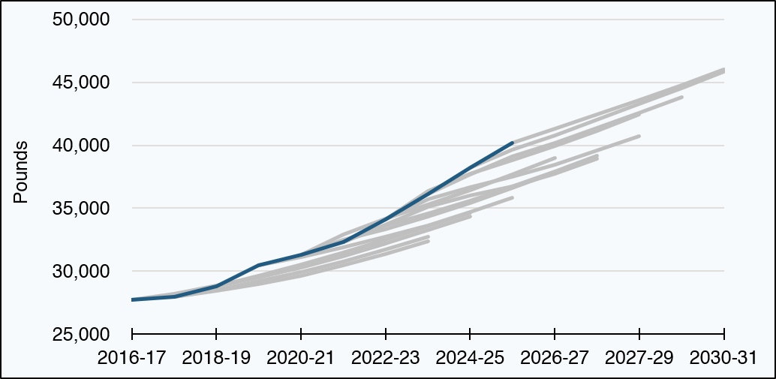

Forecasts | 2016-17 | 2017-18 | 2018-19 | 2019-20 | 2020-21 | 2021-22 | 2022-23 | 2023-24 | 2024-25 | 2025-26 | 2026-27 | 2027-28 | 2027-29 | 2029-30 | 2030-31
December 2017 | 27,707 | 28,201 | 28,850 | 29,537 | 30,318 | 31,197 | 32,184 | blank | blank | blank | blank | blank | blank | blank | blank
May 2018 | blank | 27,940 | 28,431 | 28,987 | 29,667 | 30,461 | 31,367 | 32,387 | blank | blank | blank | blank | blank | blank | blank
December 2018 | blank | 27,940 | 28,523 | 29,205 | 29,946 | 30,787 | 31,713 | 32,717 | blank | blank | blank | blank | blank | blank | blank
May 2019 | blank | blank | 28,782 | 29,532 | 30,336 | 31,229 | 32,222 | 33,280 | 34,354 | blank | blank | blank | blank | blank | blank
February 2020 | blank | blank | 28,782 | 29,637 | 30,501 | 31,470 | 32,488 | 33,553 | 34,641 | blank | blank | blank | blank | blank | blank
January 2021 | blank | blank | blank | 30,483 | 31,131 | 31,908 | 32,732 | 33,649 | 34,694 | 35,849 | blank | blank | blank | blank | blank
August 2021 | blank | blank | blank | blank | 31,309 | 32,911 | 34,168 | 35,302 | 36,445 | 37,689 | 39,013 | blank | blank | blank | blank
December 2021 | blank | blank | blank | blank | 31,309 | 32,487 | 33,332 | 34,330 | 35,416 | 36,585 | 37,836 | blank | blank | blank | blank
May 2022 | blank | blank | blank | blank | blank | 32,304 | 33,631 | 34,606 | 35,611 | 36,730 | 37,920 | 39,163 | blank | blank | blank
December 2022 | blank | blank | blank | blank | blank | 32,304 | 33,715 | 35,111 | 35,983 | 36,748 | 37,748 | 38,938 | blank | blank | blank
May 2023 | blank | blank | blank | blank | blank | blank | 34,133 | 35,711 | 36,647 | 37,508 | 38,471 | 39,574 | 40,743 | blank | blank
December 2023 | blank | blank | blank | blank | blank | blank | 34,133 | 36,387 | 37,713 | 38,827 | 39,951 | 41,153 | 42,420 | blank | blank
December 2024 | blank | blank | blank | blank | blank | blank | blank | 36,132 | 37,702 | 39,115 | 40,210 | 41,394 | 42,583 | 43,824 | blank
May 2025 | blank | blank | blank | blank | blank | blank | blank | blank | 38,213 | 39,636 | 40,803 | 42,034 | 43,259 | 44,541 | 45,869
January 2026 | blank | blank | blank | blank | blank | blank | blank | blank | blank | 40,170 | 41,321 | 42,429 | 43,586 | 44,787 | 46,033
Outturn data [1] | 27,707 | 27,940 | 28,782 | 30,483 | 31,309 | 32,304 | 34,133 | 36,132 | 38,213 | 40,170 | blank | blank | blank | blank | blank
Source:
Scottish Fiscal Commission – Scotland’s Economic and Fiscal Forecasts.
Growth rates from previous forecasts have been applied to the latest outturn data. Because of revisions to outturn data over time, there may be small differences in levels between the values used in these charts and the forecasts at the time of publication.
The dark blue line represents outturn.
[1] Outturn is QNAS wages and salaries divided by our measure of employees outturn. For employees, up to 2020 Q1 our outturn data is equivalent to the ONS APS employees/employment share of LFS employment; for 2020 Q2 and onwards our outturn data is aligned with RTI employee growth, as at 21 July 2026 RTI release.
Return to Contents

S2.16
Figure S2.16: SFC compensation of employees forecast performance
This worksheet contains one chart and one table. The chart begins in cell A4. The table begins in cell A17. Notes are located below the table and begin in cell A34.
Description of Figure S2.16: A line graph showing the December 2017 to January 2026 SFC forecasts for compensation of employees and performance against outturn up to 2025-26.
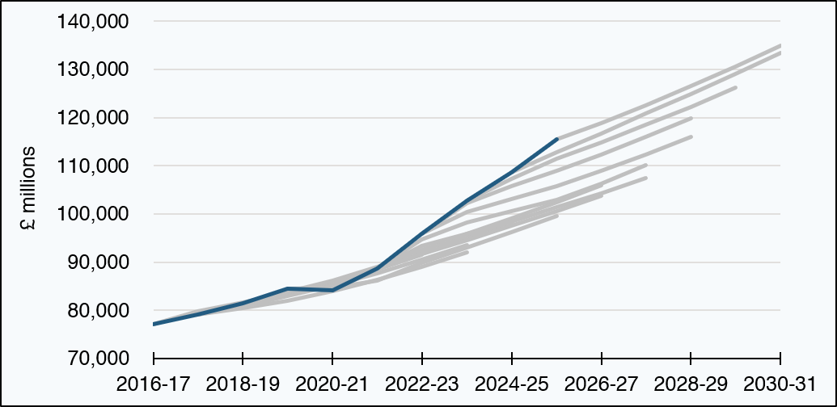

Forecasts | 2016-17 | 2017-18 | 2018-19 | 2019-20 | 2020-21 | 2021-22 | 2022-23 | 2023-24 | 2024-25 | 2025-26 | 2026-27 | 2027-28 | 2028-29 | 2029-30 | 2030-31
December 2017 | 77,157 | 79,806 | 81,721 | 83,612 | 85,898 | 88,555 | 91,479 | blank | blank | blank | blank | blank | blank | blank | blank
May 2018 | blank | 79,083 | 80,458 | 82,000 | 84,058 | 86,438 | 89,104 | 92,085 | blank | blank | blank | blank | blank | blank | blank
December 2018 | blank | 79,083 | 80,836 | 82,934 | 85,219 | 87,766 | 90,519 | 93,489 | blank | blank | blank | blank | blank | blank | blank
May 2019 | blank | blank | 81,420 | 83,637 | 86,078 | 88,788 | 91,728 | 94,837 | 98,013 | blank | blank | blank | blank | blank | blank
February 2020 | blank | blank | 81,420 | 83,793 | 86,135 | 88,993 | 92,016 | 95,204 | 98,485 | blank | blank | blank | blank | blank | blank
January 2021 | blank | blank | blank | 84,474 | 84,730 | 86,226 | 89,813 | 92,983 | 96,174 | 99,518 | blank | blank | blank | blank | blank
August 2021 | blank | blank | blank | blank | 84,225 | 88,657 | 92,517 | 95,892 | 99,070 | 102,488 | 106,041 | blank | blank | blank | blank
December 2021 | blank | blank | blank | blank | 84,225 | 88,579 | 91,777 | 94,642 | 97,533 | 100,601 | 103,804 | blank | blank | blank | blank
May 2022 | blank | blank | blank | blank | blank | 88,686 | 93,373 | 95,891 | 98,496 | 101,378 | 104,369 | 107,494 | blank | blank | blank
December 2022 | blank | blank | blank | blank | blank | 88,686 | 94,812 | 98,238 | 100,524 | 103,001 | 106,283 | 110,116 | blank | blank | blank
May 2023 | blank | blank | blank | blank | blank | blank | 95,952 | 100,495 | 103,178 | 105,873 | 108,908 | 112,386 | 116,048 | blank | blank
December 2023 | blank | blank | blank | blank | blank | blank | 95,952 | 102,238 | 105,825 | 109,023 | 112,387 | 116,066 | 119,943 | blank | blank
December 2024 | blank | blank | blank | blank | blank | blank | blank | 102,746 | 107,338 | 111,457 | 114,867 | 118,569 | 122,310 | 126,184 | blank
May 2025 | blank | blank | blank | blank | blank | blank | blank | blank | 108,629 | 112,764 | 116,744 | 120,880 | 124,935 | 129,144 | 133,517
January 2026 | blank | blank | blank | blank | blank | blank | blank | blank | blank | 115,499 | 118,946 | 122,621 | 126,549 | 130,658 | 134,971
Outturn data | 77,157 | 79,083 | 81,420 | 84,474 | 84,225 | 88,686 | 95,952 | 102,746 | 108,629 | 115,499 | blank | blank | blank | blank | blank
Source:
Scottish Fiscal Commission – Scotland’s Economic and Fiscal Forecasts,
Scottish Government (2026) GDP Quarterly National Accounts: 2026 Quarter 1 (January to March).
Growth rates from previous forecasts have been applied to the latest outturn data. Because of revisions to outturn data over time, there may be small differences in levels between the values used in these charts and the forecasts at the time of publication.
The dark blue line represents outturn.
Return to Contents

