Figure 2.1
Figure 2.1: Consumer Price Index (CPI) inflation, UK, year-on-year growth
Inflation now expected to rise, mainly due to recent energy price shock, with BoE's last central forecast peaking at 3.2 per cent in 2026 Q4 and returning to target by end of 2027
This worksheet contains one chart and one table. The chart begins in cell A5. The table begins in cell A18. Notes are located below the table and begin in cell A48.
Description of Figure 2.1: Line chart of CPI inflation outturn and forecasts. CPI inflation rose from early 2021 up to a peak of 11 per cent at the end of 2022, before returning to target by mid-2024. It increased again to a lower peak of 3.8 per cent in 2025 Q3, then fell to 2.8 per cent in 2026 Q2. The latest SFC forecast published in January 2026 falls to 2 per cent in 2027 Q1 and stays at target. The latest Bank of England central forecast from July 2026 rises to a rate of 3.2 per cent in 2026 Q4 and 2027 Q1, then falls to 2.1 per cent in 2027 Q4.
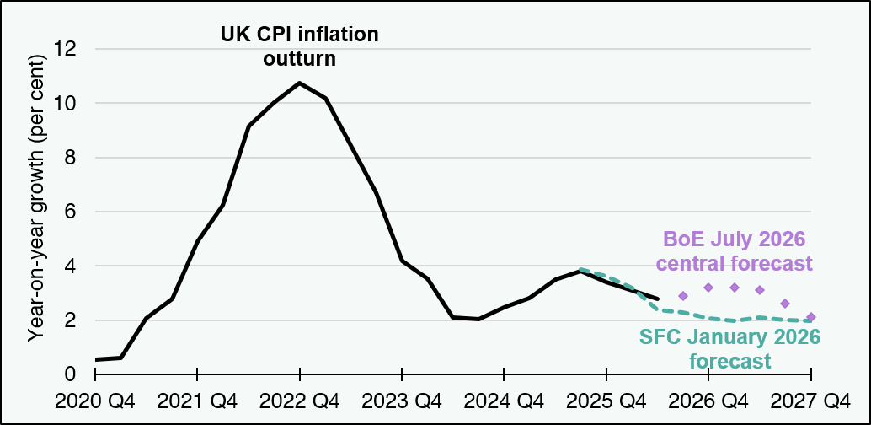

Period | UK CPI inflation outturn | SFC January 2026 forecast | BoE July 2026 central forecast
2020 Q4 | 0.5 | blank | blank
2021 Q1 | 0.6 | blank | blank
2021 Q2 | 2.1 | blank | blank
2021 Q3 | 2.8 | blank | blank
2021 Q4 | 4.9 | blank | blank
2022 Q1 | 6.2 | blank | blank
2022 Q2 | 9.2 | blank | blank
2022 Q3 | 10.0 | blank | blank
2022 Q4 | 10.7 | blank | blank
2023 Q1 | 10.2 | blank | blank
2023 Q2 | 8.4 | blank | blank
2023 Q3 | 6.7 | blank | blank
2023 Q4 | 4.2 | blank | blank
2024 Q1 | 3.5 | blank | blank
2024 Q2 | 2.1 | blank | blank
2024 Q3 | 2.0 | blank | blank
2024 Q4 | 2.5 | blank | blank
2025 Q1 | 2.8 | blank | blank
2025 Q2 | 3.5 | blank | blank
2025 Q3 | 3.8 | 3.9 | blank
2025 Q4 | 3.4 | 3.6 | blank
2026 Q1 | 3.1 | 3.2 | blank
2026 Q2 | 2.8 | 2.4 | blank
2026 Q3 | blank | 2.3 | 2.9
2026 Q4 | blank | 2.1 | 3.2
2027 Q1 | blank | 2.0 | 3.2
2027 Q2 | blank | 2.1 | 3.1
2027 Q3 | blank | 2.0 | 2.6
2027 Q4 | blank | 2.0 | 2.1
Source:
Scottish Fiscal Commission (2026) Scotland’s Economic and Fiscal Forecasts – January 2026,
Bank of England (2026) Monetary Policy Report – July 2026,
ONS (2026) Consumer price inflation tables.
Return to Table of Contents

Figure 2.3
Figure 2.3: Growth in real disposable income per person, Scotland
In January 2026 we expected Scottish living standards to grow by less than 1 per cent per year over the next five years
This worksheet contains one chart and one table. The charts begin in cell A5. The table begins in cell A18. Notes are located below the table and begin in cell A27.
Description of Figure 2.3: Column chart showing growth in living standards, both for longer-term averages (1999-00 to 2007-08 and 2008-09 to 2024-25), and for each year of our January 2026 forecast (up to 2030-31). The forecast growth is much lower than the pre-2008 trend, tending towards the post-2008 average only towards the end of the forecast horizon.
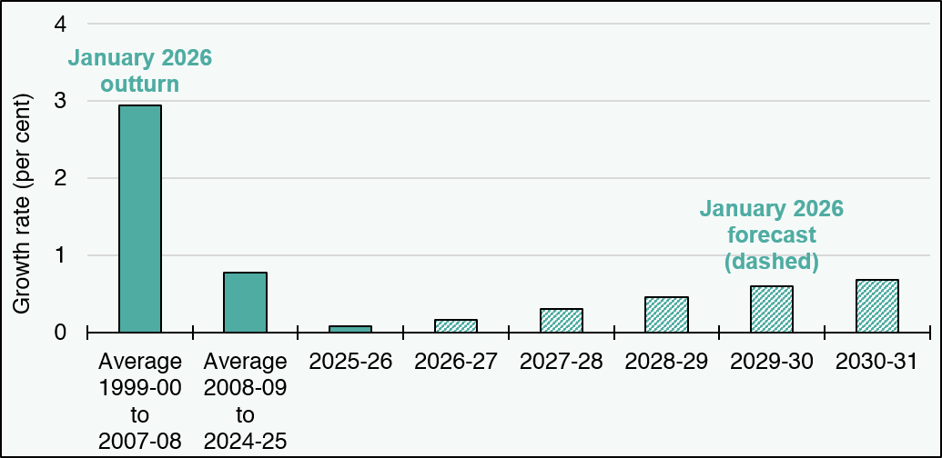

Growth rate (per cent) | January 2026 outturn | January 2026 forecast
Average 1999-00 to 2007-08 | 2.9 | blank
Average 2008-09 to 2024-25 | 0.8 | blank
2025-26 | 0.1 | blank
2026-27 | blank | 0.2
2027-28 | blank | 0.3
2028-29 | blank | 0.5
2029-30 | blank | 0.6
2030-31 | blank | 0.7
Source:
Scottish Fiscal Commission (2026) Scotland’s Economic and Fiscal Forecasts – January 2026.
Scottish Fiscal Commission (2026) Fiscal Sustainability Perspectives: what Scotland’s finances mean for the next parliament – February 2026,
Data for 2025-26 includes a short-run forecast as well as outturn.
Return to Table of Contents

Figure 2.4
Figure 2.4: Growth in average disposable income by income groups, Great Britain
In Great Britain, the recent cost-of-living crisis had uneven effects on households across the income distribution
This worksheet contains one chart and one table. The charts begin in cell A5. The table begins in cell A18. Notes are located below the table and begin in cell A29.
Description of Figure 2.4: Column chart of median disposable income growth by deciles, showing an 11 per cent fall in 2024-25 relative to 2021-22 for the lowest-income households in Great Britain while all other income groups experienced no change or some growth in living standards over that period.
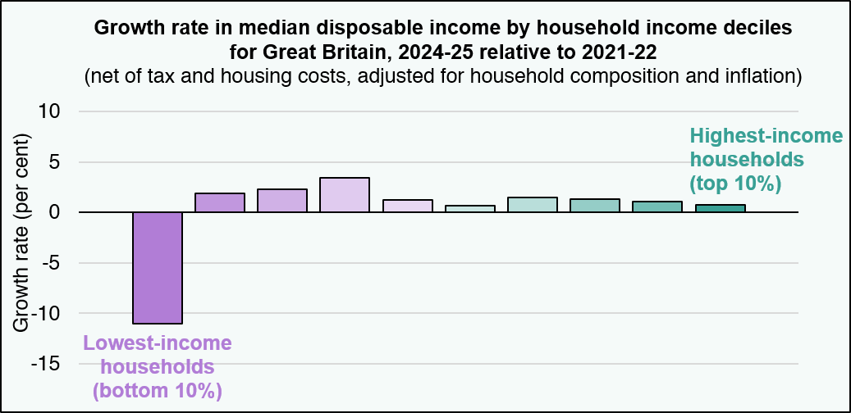

Growth rate (per cent) | Growth between 2021-22 and 2024-25 (Great Britain)
Lowest-income households (bottom 10%) | -11.0
Second decile | 1.9
Third decile | 2.3
Fourth decile | 3.4
Fifth decile | 1.3
Sixth decile | 0.6
Seventh decile | 1.5
Eighth decile | 1.3
Ninth decile | 1.1
Highest-income households (top 10%) | 0.7
Source:
Scottish Fiscal Commission,
Department for Work and Pensions (2026) Stat Xplore: Household Below Average Income – Data from 2021/22 (admin-linked).
Return to Table of Contents

Figure 2.5
Figure 2.5: Scotland and UK nominal average earnings growth (RTI)
Earnings growth over 2024-25 and 2025-26 has slowed across the UK, in line with falling inflation, with Scotland’s growth turning slightly below UK average in these two years
This worksheet contains one chart and one table. The charts begin in cell A5. The table begins in cell A18. Notes are located below the table and begin in cell A25.
Description of Figure 2.5: Column chart showing nominal average earnings growth in Scotland and UK from 2020-21 to 2025-26. Growth in both economies slowed from around 6 per cent per year from 2021-22 to 2023-24 to 5 per cent in 2024-25 and 4 per cent in 2025-26. In the last two years, Scottish growth was 0.2 percentage points below UK, after two years where it had been slightly faster.
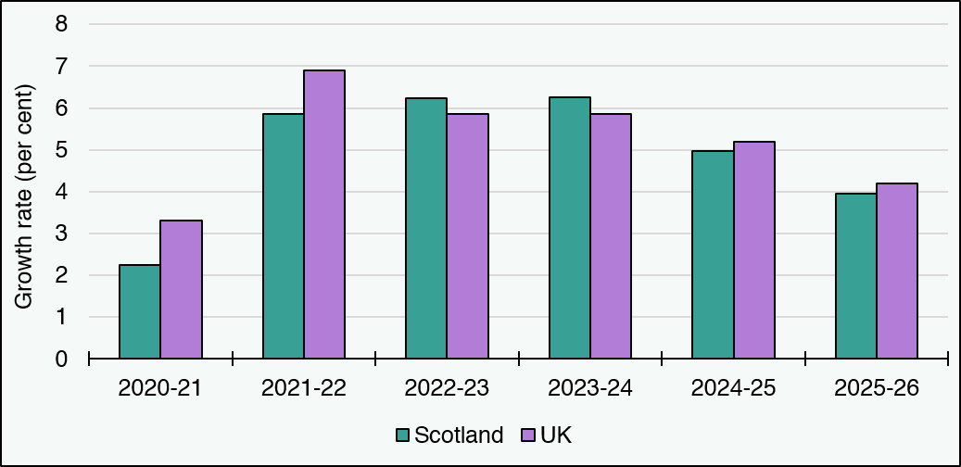

Growth rate (per cent) | Scotland | UK
2020-21 | 2.2 | 3.3
2021-22 | 5.9 | 6.9
2022-23 | 6.2 | 5.9
2023-24 | 6.2 | 5.8
2024-25 | 5.0 | 5.2
2025-26 | 4.0 | 4.2
Source:
Scottish Fiscal Commission,
ONS (2026) Earnings and employment from Pay As You Earn Real Time Information, seasonally adjusted – July 2026.
Return to Table of Contents

Figure 2.6
Figure 2.6: Gap in Aberdeen City and Aberdeenshire's earnings and employment growth relative to the Scottish average
In 2024-25 and 2025-26, earnings and employment growth in Aberdeen has been a drag on growth in Scotland overall, contributing to Scotland’s slower growth relative to UK
This worksheet contains one chart and one table. The charts begin in cell A5. The table begins in cell A18. Notes are located below the table and begin in cell A25.
Description of Figure 2.6: Column chart showing the gap in Aberdeen City and Aberdeenshire's average earnings and employment growth relative to the respective Scottish averages, from 2020-21 to 2025-26. In 2020-21 and 2021-22, Aberdeen under-performed Scotland on both measures. In 2022-23 and 2023-24, Aberdeen’s growth was in line with the Scottish average (gaps around zero). In 2024-25 and 2025-26, it was again below the Scottish average (in 2025-26, negative gaps of 1.6 percentage points for earnings and 0.9 percentage points for employees).
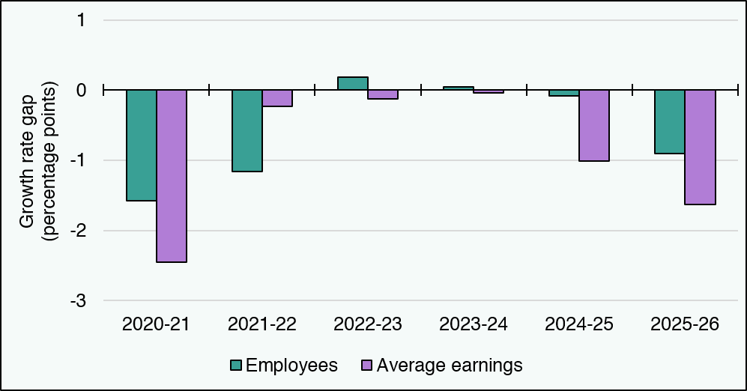

Growth rate gap (percentage points) | Employees | Average earnings
2020-21 | -1.6 | -2.4
2021-22 | -1.2 | -0.2
2022-23 | 0.2 | -0.1
2023-24 | 0.1 | 0.0
2024-25 | -0.1 | -1.0
2025-26 | -0.9 | -1.6
Source:
Scottish Fiscal Commission,
ONS (2026) Earnings and employment from Pay As You Earn Real Time Information, seasonally adjusted – July 2026.
Return to Table of Contents

Figure 3.1
Figure 3.1: Additional Block Grant funding from the UK Spring Forecast 2026
Large increases to the Block Grant in the current year and 2028-29, but not in 2027-28
This worksheet contains one chart and one table. The chart begins in cell A5. The table begins in cell A18. Notes are located below the table and begin in cell A21.
Description of Figure 3.1: Column chart showing increases to the Scottish Block Grant from 2026-27 to 2028-29. Most of the new funding is in 2026-27 and 2028-29, with almost nothing in 2027-28. Most of it is related to Special Education Needs and Disability (SEND) policies. There was £38 million of further funding in 2026 27 for the SEND debt write off which is not included in this chart.
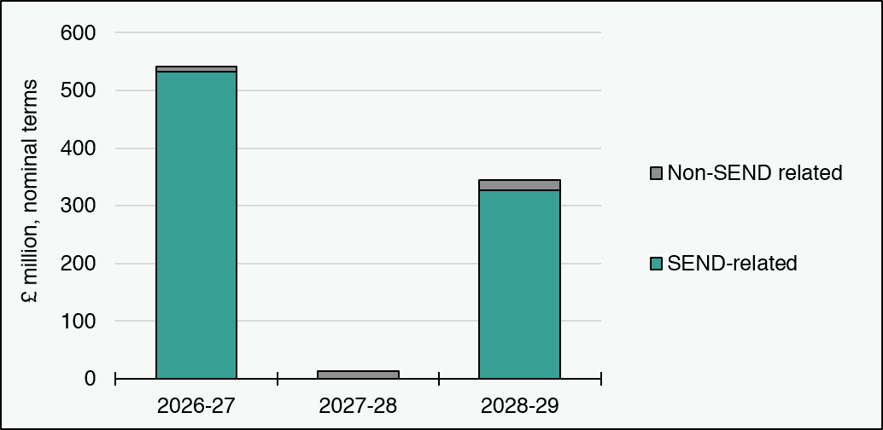

£ million, nominal terms | 2026-27 | 2027-28 | 2028-29
SEND-related | 533 | 0 | 326
Non-SEND related | 9 | 13 | 18
Source:
Scottish Fiscal Commission,
HM Treasury,
Scottish Government.
Return to Table of Contents

Figure 3.2
Figure 3.2: Resource and capital Block Grant trends since 2022-23
Both the resource and capital block grants are expected to fall in real terms in 2027-28
This worksheet contains one chart and one table. The chart begins in cell A5. The table begins in cell A18. Notes are located below the table and begin in cell A21.
Description of Figure 3.2: Line chart showing trends for the resource and capital Block Grants since 2022 23. The resource Block Grant grows steadily until 2026-27 but falls in 2027-28 for the first time. It rises again slightly in 2028-29 and then remains broadly flat for the remaining of the period, ending up 7.5 per cent above 2022-23 levels in 2030-31. The capital Block Grant falls rapidly in the first two years, having lost by 2024-25 15 per cent of its value relative to 2022-23 levels. But it recovers rapidly over the following two years. From 2027-28 onwards it falls in real-terms again, more slowly than initially, and by 2030-31 it ends up almost 10 per cent below its 2022-23 level.
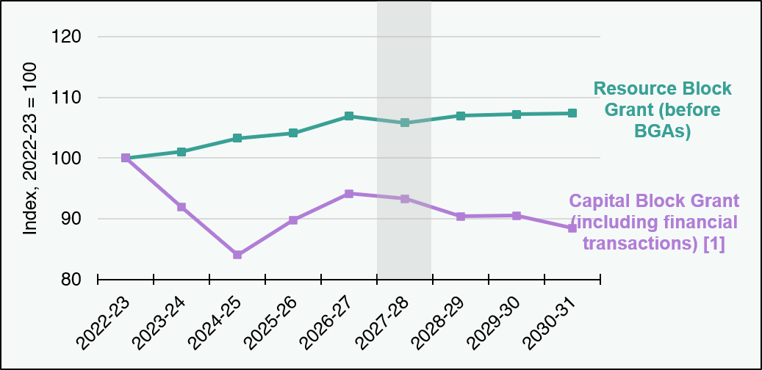

Index, 2022-23 = 100 | 2022-23 | 2023-24 | 2024-25 | 2025-26 | 2026-27 | 2027-28 | 2028-29 | 2029-30 | 2030-31
Resource Block Grant (before BGAs) | 100.0 | 101.0 | 103.3 | 104.1 | 106.9 | 105.8 | 107.0 | 107.2 | 107.4
Capital Block Grant (including financial transactions) [1] | 100.0 | 91.9 | 84.1 | 89.8 | 94.1 | 93.3 | 90.4 | 90.5 | 88.5
Source:
Scottish Fiscal Commission,
Scottish Government.
Shaded area shows the next Budget year (2027-28).
Real-terms growth rates have been calculated applying the latest OBR forecasts of growth in the GDP deflator (March 2026) to the latest funding positions for each year. For more details on those, see supplementary figures S3.1 and S3.2.
[1] Includes a reduction from the UK Government's Defence Investment Plan, based on SFC assumptions.
Return to Table of Contents

Figure 3.4
Figure 3.4: Make-up of Income Tax reconciliations applied to budgets since 2020-21
Even though errors for the 2024-25 were relatively small, they compounded and led to the largest reconciliation to date
This worksheet contains one chart and one table. The chart begins in cell A5. The table begins in cell A18. Notes are located below the table and begin in cell A22.
Description of Figure 3.4: A combined stacked column and scatter chart. The stacked columns show how changes in the BGA and SIT forecasts compare with outturn. The scatter markers show the final reconciliation resulting from these changes. From 2020-21 to 2023-24, both errors broadly offset each other, leading to relatively small reconciliations. For 2024-25, both errors were relatively small, but it is the first time they added together, resulting in the largest reconciliation to date.
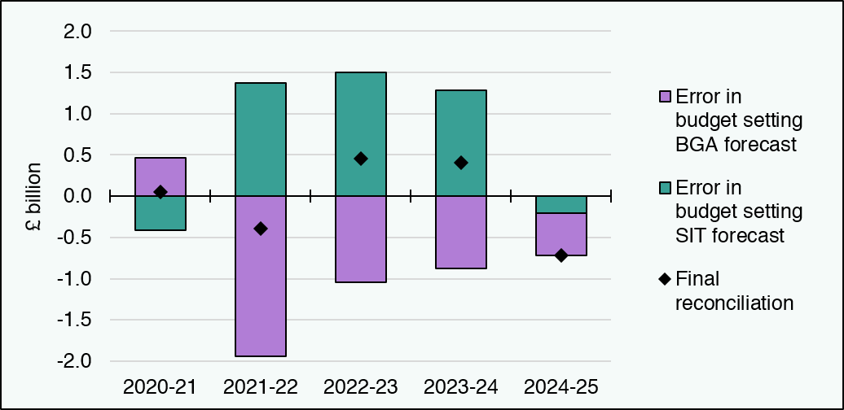

£ million | 2020-21 | 2021-22 | 2022-23 | 2023-24 | 2024-25
Error in budget setting SIT forecast | -417 | 1,376 | 1,498 | 1,283 | -209
Error in budget setting BGA forecast | 468 | -1,936 | -1,048 | -877 | -512
Final reconciliation | 50 | -390 | 451 | 406 | -720
Source: Scottish Fiscal Commission.
Return to Table of Contents

Figure 3.6
Figure 3.6: Change in 2024-25 indicative reconciliations over time
The variation in indicative reconciliations is mostly attributed to changes in the BGA
This worksheet contains one chart and one table. The chart begins in cell A5. The table begins in cell A18. Notes are located below the table and begin in cell A22.
Description of Figure 3.6: Stacked column chart showing changes in SIT and BGA, from the budget-setting forecasts in December 2023 to outturn in July 2026. It also has a marker showing the indicative reconciliation at each forecast, and at outturn. The indicative reconciliation hovers around negative amounts at each of the forecasts after December 2023 but always driven more by changes in the forecast BGA. The outturn position is the first time since the budget-setting forecasts that the errors on both sides add up rather than offset each other.
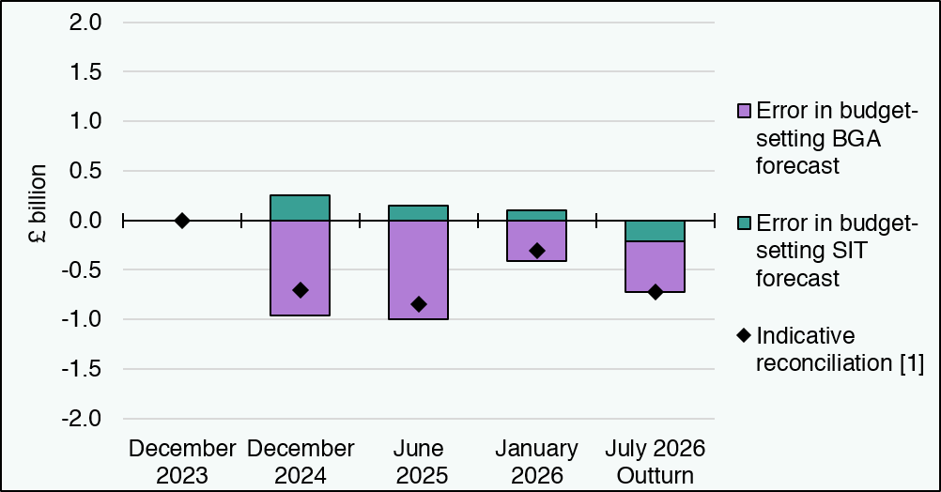

£ million | December 2023 | December 2024 | June 2025 | January 2026 | July 2026 Outturn
Error in budget-setting SIT forecast | 0.0 | 255 | 148 | 98 | -209
Error in budget-setting BGA forecast | 0.0 | -957 | -999 | -407 | -512
Indicative reconciliation [1] | 0.0 | -701 | -851 | -310 | -720
Source: Scottish Fiscal Commission.
[1] July 2026 shows the final reconciliation.
Return to Table of Contents

Figure 3.8
Figure 3.8: Difference between Scottish and UK earnings and employee growth
Scottish average earnings and employee growth has been below the UK as a whole for most of the last decade
This worksheet contains one chart and one table. The chart begins in cell A5. The table begins in cell A18. Notes are located below the table and begin in cell A21.
Description of Figure 3.8: A column chart showing the difference between annual growth in average earnings and the number of employees in Scotland and the UK as a whole. Employee numbers have since 2016-17 always grown more slowly in Scotland than in the UK. That is also the case for average earning, except for three years (2019-20, 2022-23, 2023-24) when Scottish earnings growth outpaced that of the UK.
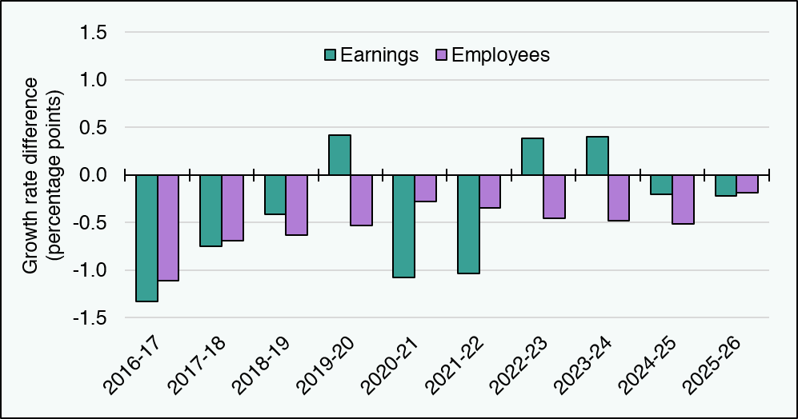

Percentage points | 2016-17 | 2017-18 | 2018-19 | 2019-20 | 2020-21 | 2021-22 | 2022-23 | 2023-24 | 2024-25 | 2025-26
Earnings | -1.3 | -0.7 | -0.4 | 0.4 | -1.1 | -1.0 | 0.4 | 0.4 | -0.2 | -0.2
Employees | -1.1 | -0.7 | -0.6 | -0.5 | -0.3 | -0.3 | -0.5 | -0.5 | -0.5 | -0.2
Source:
Scottish Fiscal Commission,
ONS (2026) Earnings and employment from Pay As You Earn Real Time Information, seasonally adjusted – July 2026.
Return to Table of Contents

Figure 4.1
Figure 4.1: Efficiency savings factored into spending plans
Efficiencies built into Spending Review plans were an important part of how the Scottish Government balanced the budgets
This worksheet contains one chart and one table. The chart begins in cell A5. The table begins in cell A18. Notes are located below the table and begin in cell A22.
Description of Figure 4.1: Stacked column chart showing the efficiency savings built into the spending plans for the years 2026-27 to 2028-29 at the Scottish Spending Review. The efficiencies are largest in 2026-27 and then decrease gradually. NHS Boards recurrent savings are the largest component in all cases, and they are greatest in 2027-28. Workforce savings also stand out as a concrete measure of savings in all three years.
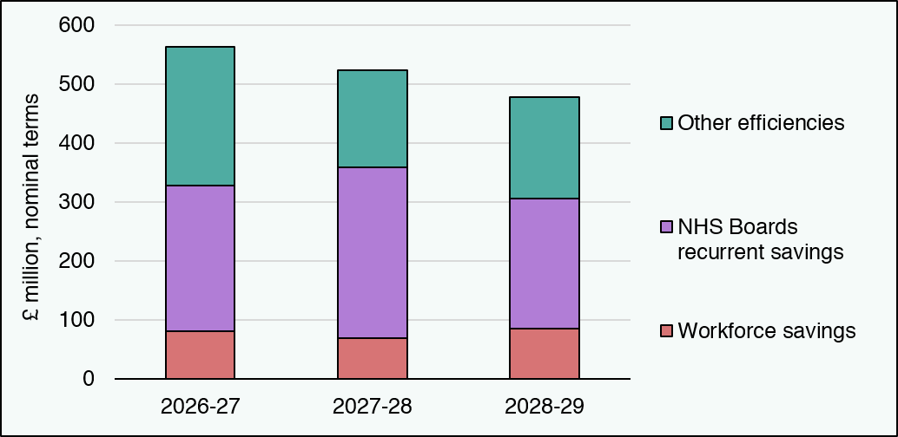

£ million, nominal terms | 2026-27 | 2027-28 | 2028-29 | 2026-27 | 2027-28 | 2028-29
Workforce savings | 81 | 69 | 85
NHS Boards recurrent savings | 247 | 290 | 220
Other efficiencies | 235 | 163 | 172
Source:
Scottish Fiscal Commission,
Scottish Government.
For a breakdown of these planned efficiency savings by Scottish Government portfolio, see Supplementary Figure S4.1.
Return to Table of Contents

 | 1 | 1 | 1

Figure 4.2
Figure 4.2: Changes in devolved workforce size, quarter-to-quarter
In 2025-26 workforce size has not evolved in line with the FSDP targets
This worksheet contains one chart and one table. The chart begin in cells A5. The table begins in cell A18. Notes are located below the table and begin in cell A21.
Description of Figure 4.2: Line chart showing the evolution of the devolved public sector workforce (in full time equivalent) from the end of the first quarter of 2025 to the end of the first quarter of 2026 (the 2025-26 financial year), with the vertical axis starting at 460,000 to zoom into the trend. The workforce shrank slightly in the second quarter of 2025, consistent with the goal in the Fiscal Sustainability Delivery Plan (FSDP) but grew in all subsequent quarters. It ended 2025-26 with around 5,100 more staff than the FSDP goal.
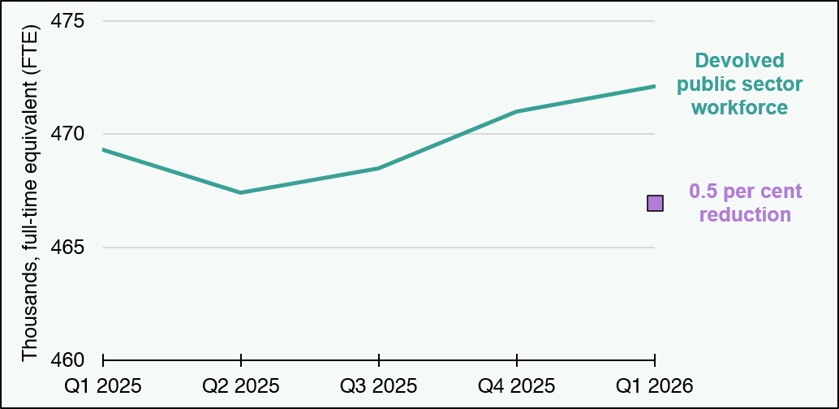

Workforce measure | Q1 2025 | Q2 2025 | Q3 2025 | Q4 2025 | Q1 2026
Devolved public sector workforce | 469,300 | 467,400 | 468,500 | 471,000 | 472,100
0.5 per cent reduction | blank | blank | blank | blank | 466,954
Source:
Scottish Fiscal Commission,
Scottish Government (2026) Public sector employment in Scotland.
Return to Table of Contents

