Figure S4.40
Figure S4.40: ADS repayment curve
Our new assumption on the cumulative share of ADS that is repaid over the repayment window is higher than our previous one, and closer to recent outturn
This worksheet contains one chart and one table. The chart begins in cell A5. The table begins in cell A18. Notes are located below the table and begin in cell A22.
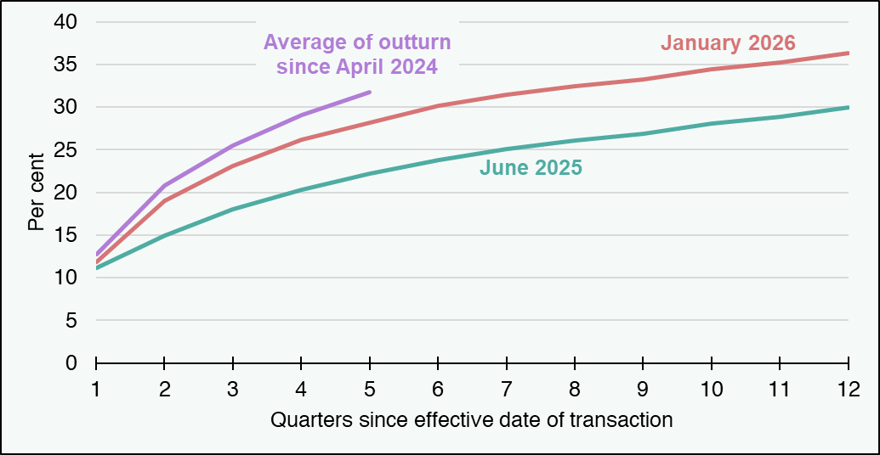
Description of Figure 4.4: Line chart of our assumed repayment curves for the ADS in June 2025 and January 2026, compared with an average of outturn since April 2024. The outturn curve increases from 13 per cent in quarter 1 to 32 per cent in quarter 5. Our January 2026 assumed profile is a little shallower, increasing from 12 per cent in quarter 1 to 28 per cent in quarter 5, and then to 36 per cent in quarter 12. Our June 2025 curve was much shallower in the early quarters, starting at 11 per cent in quarter 1 and only rising to 32 per cent in quarter 5, before increasing to 30 per cent in quarter 12.

Per cent | 1 | 2 | 3 | 4 | 5 | 6 | 7 | 8 | 9 | 10 | 11 | 12
June 2025 | 11 | 15 | 18 | 20 | 22 | 24 | 25 | 26 | 27 | 28 | 29 | 30
January 2026 | 12 | 19 | 23 | 26 | 28 | 30 | 31 | 32 | 33 | 34 | 35 | 36
Average of outturn since April 2024 | 13 | 21 | 25 | 29 | 32 | #N/A | #N/A | #N/A | #N/A | #N/A | #N/A | #N/A
Source:
Scottish Fiscal Commission,
Revenue Scotland (2025) LBTT Forecasting Data – November 2025.
Return to Table of Contents

