Figure 2.3
Figure 2.3: Resource funding outlook
Resource funding grows over time, but growth is lower after adjusting for inflation
This worksheet contains one chart and one table. The chart begin in cell A5. The table begins in cell A18. Notes are located below the table and begin in cell A21.
Description of Figure 2.3: Line chart showing resource funding trend forecast from 2025‑26 to 2030‑31, indexed so that 2025‑26 levels are equal to 100. Resource funding grows in 2026‑27 with lower growth in 2027‑28, and grows faster again thereafter, reaching 16 per cent above 2025‑26 levels by the end of the forecast period. Adjusting for inflation more than halves the growth, with 2030‑31 seeing funding 5 per cent above 2025‑26 levels.
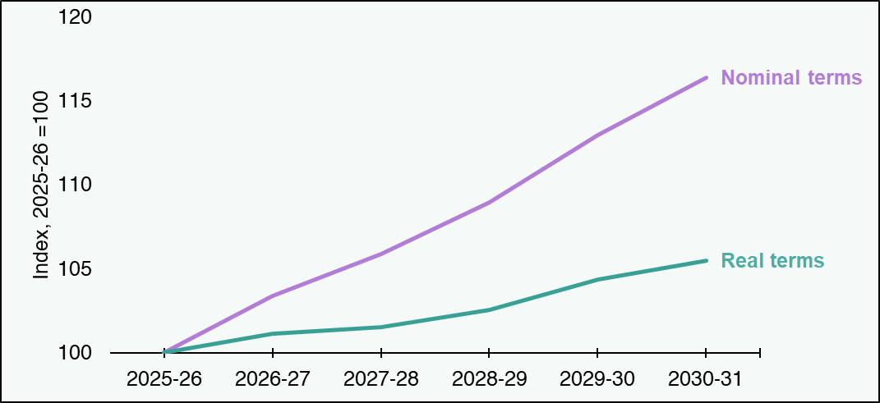

Index, 2025-26 = 100 | 2025-26 | 2026-27 | 2027-28 | 2028-29 | 2029-30 | 2030-31
Nominal terms | 100 | 103 | 106 | 109 | 113 | 116
Real terms | 100 | 101 | 102 | 103 | 104 | 105
Source:
Scottish Fiscal Commission,
Scottish Government.
Real terms amounts have been calculated using the OBR’s November 2025 forecast of the GDP deflator.
Return to Table of Contents

Figure 2.5
Figure 2.5: Capital funding outlook
Capital funding grows in 2026-27 but remains flat over the forecast and is falling in real terms.
This worksheet contains one chart and one table. The chart begin in cell A5. The table begins in cell A18. Notes are located below the table and begin in cell A21.
Description of Figure 2.5: Line chart showing capital funding trends from 2025-26 to 2030‑31, in nominal and real terms, indexed so that 2025-26 levels are equal to 100. Capital funding grows in 2026‑27 by 5 per cent and then remains flat over the forecast period. Adjusting for inflation sees a fall in capital funding across the forecast period.
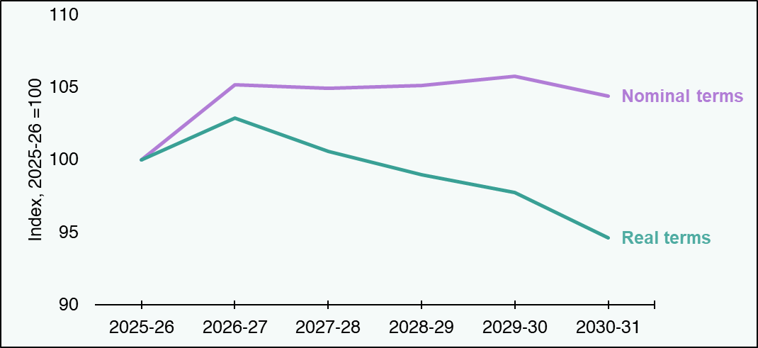

Index, 2025-26 = 100 | 2025-26 | 2026-27 | 2027-28 | 2028-29 | 2029-30 | 2030-31
Nominal terms | 100 | 105 | 105 | 105 | 106 | 104
Real terms | 100 | 103 | 101 | 99 | 98 | 95
Source:
Scottish Fiscal Commission,
Scottish Government.
Real terms amounts have been calculated using the OBR’s November 2025 forecast of the GDP deflator.
Return to Table of Contents

Figure 2.10
Figure 2.10: Portfolio changes between 2025-26 and 2028-29, real terms, £ million
Changes in real term spendidng is positive for some portfolios and negative for others.
This worksheet contains one chart and one table. The chart begin in cell A5. The table begins in cell A18. Notes are located below the table and begin in cell A34.
Description of Figure 2.10: Bar chart showing the real term changes in portfolio spending plans between 2025-26 and 2028-29. The largest positive change applies to the Health and Social Care portfolio, followed by Social Justice. The Local Government portfolio experiences the largest negative change.
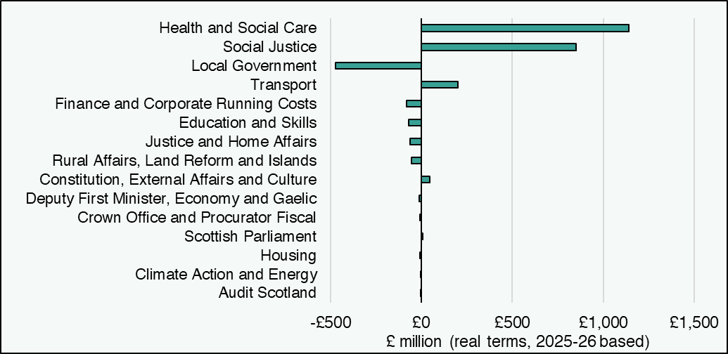

Portfolio (£ millions, real terms) | Difference between 2025-26 and 2028-29
Audit Scotland | 0
Climate Action and Energy | -2
Housing | -7
Scottish Parliament | 7
Crown Office and Procurator Fiscal | -9
Deputy First Minister, Economy and Gaelic | -11
Constitution, External Affairs and Culture | 45
Rural Affairs, Land Reform and Islands | -54
Justice and Home Affairs | -62
Education and Skills | -69
Finance and Corporate Running Costs | -81
Transport | 202
Local Government | -472
Social Justice | 852
Health and Social Care | 1,141
Source:
Scottish Fiscal Commission,
Scottish Government.
Spending by portfolio 2025-26 is the position at the Autumn Budget Revision adjusted for transfers which have not been baselined.
Return to Table of Contents

