Figure 1.1
Figure 1.1: Resource funding sources for the Scottish Government
The Block Grant remains the largest source, but devolved tax revenues increasingly contribute to funding
This worksheet contains one chart and one table. The chart begins in cell A5. The table begins in cell A18. Notes are located below the table and begin in cell A24.
Description of Figure 1.1: Stacked bar chart showing resource funding for the Scottish Government from 2021-22 to 2025-26. The Block Grant is the largest source of funding in all years, with the Tax net position, Social security Block Grant Adjustments and Other making up the rest of the resource position
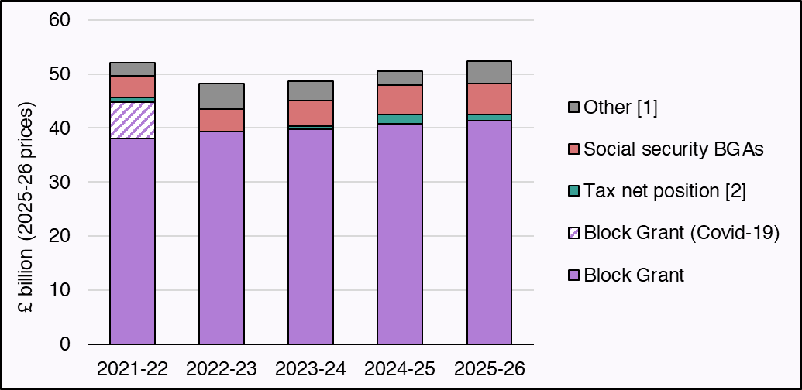

£ million | 2021-22 | 2022-23 | 2023-24 | 2024-25 | 2025-26
Block Grant | 38,049 | 39,384 | 39,777 | 40,792 | 41,316
Block Grant (Covid-19) | 6,773 | blank | blank | blank | blank
Tax net position [2] | 827 | -67 | 605 | 1,741 | 1,151
Social security BGAs | 3,984 | 4,163 | 4,703 | 5,335 | 5,803
Other [1] | 2,496 | 4,726 | 3,583 | 2,602 | 4,070
Source:
Scottish Fiscal Commission,
Scottish Government.
Real-terms values in 2025-26 prices and calculated using the ONS GDP deflator until 2024-25 and the OBR's November 2025 forecast for 2025-26.
Funding levels are final outturn for the period 2020-21 to 2023-24, provisional outturn for 2024-25, and as most recently reported (January 2026) for 2025-26.
Block Grant funding in the period 2022-23 to 2024-25 includes IFRS16 adjustments.
[1] Consists of Non-Domestic Rates distributed to local government, Scotland Reserve drawdowns, reconciliations and resource borrowing (if any), and has a deduction for the cost of servicing past debt.
[2] ] As originally estimated at the time of setting each budget to reflect the actual funding available in those years. The Income Tax net position is fixed at the budget-setting level, with differences relative to outturn dealt with via reconciliations in later years. In 2022-23 there is a negative £67 million Tax net position that is not presented
Return to Table of Contents

Figure 1.2
Figure 1.2: Income Tax net position and policy differences only net position
The policy differences only net position has increased faster than the Income Tax net position to date
This worksheet contains one chart and one table. The chart begins in cell A5. The table begins in cell A18. Notes are located below the table and begin in cell A22.
Description of Figure 1.2: Line chart of the Income Tax net position against policy difference only net position. The policy difference only net position increases from 2016-17 to 2026-27 where the series stops. Income Tax net position includes outturn data which starts in 2016-17 and ends in 2023-24 after which the figure is a projection. Overall the Income Tax net position also rises over time although not as quickly as the policy only position in the years that can be compared.
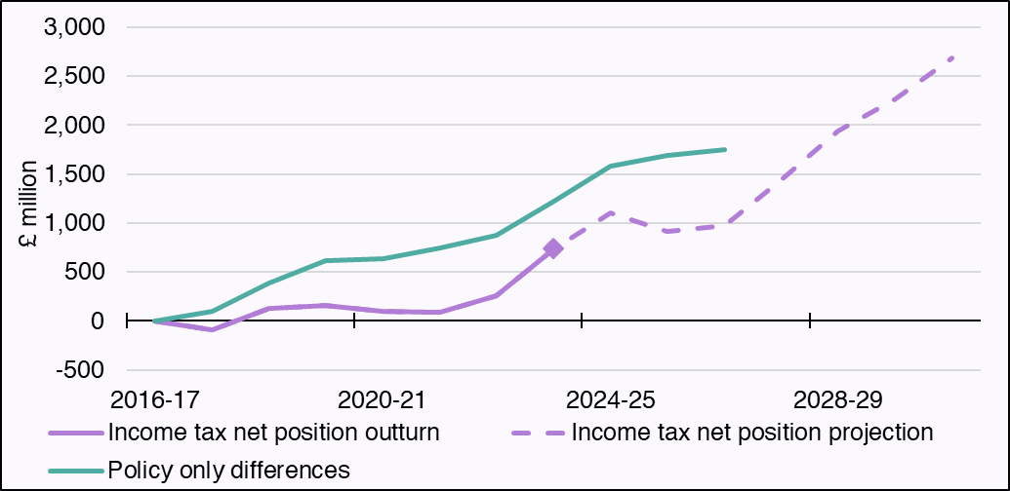

£ million | 2016-17 | 2017-28 | 2018-19 | 2019-20 | 2020-21 | 2021-22 | 2022-23 | 2023-24 | 2024-25 | 2025-26 | 2026-27 | 2027-28 | 2028-29 | 2029-30 | 2030-31
Income tax net position outturn | 0 | -91 | 127 | 155 | 96 | 85 | 260 | 730 | blank | blank | blank | blank | blank | blank | blank
Income tax net position projection | 0 | -91 | 127 | 155 | 96 | 85 | 260 | 730 | 1,102 | 913 | 969 | 1,442 | 1,941 | 2,270 | 2,687
Policy only differences | 0 | 94 | 386 | 620 | 637 | 747 | 877 | 1,227 | 1,579 | 1,690 | 1,754 | blank | blank | blank | blank
Source: Scottish Fiscal Commission.
Return to Table of Contents

Figure 1.3
Figure 1.3: Number of taxpayers paying at least the higher rate in Scotland
The amount of Scottish taxpayers paying at least the higher rate of Income tax has risen from 2016-17 and is expected to rise further
This worksheet contains one chart and one table. The chart begins in cell A5. The table begins in cell A18. Notes are located below the table and begin in cell A21.
Description of Figure 1.3: Line chart showing number of taxpayers paying at least the higher rate in Scotland from 2016-17 to 2030-31. Outturn data shows a steady increase in taxpayers paying at least the higher rate from 2016-17 to 2023-24 with our forecast showing further increases expected up until 2030-31.
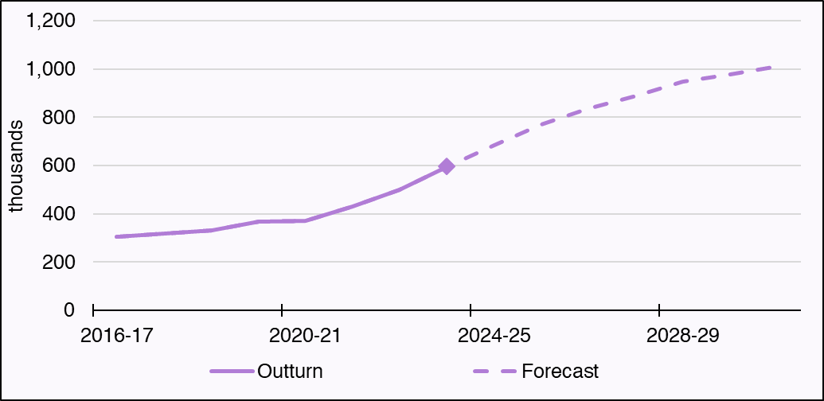

thousands | 2016-17 | 2017-28 | 2018-19 | 2019-20 | 2020-21 | 2021-22 | 2022-23 | 2023-24 | 2024-25 | 2025-26 | 2026-27 | 2027-28 | 2028-29 | 2029-30 | 2030-31
Outturn | 304 | 318 | 333 | 367 | 372 | 431 | 500 | 596 | blank | blank | blank | blank | blank | blank | blank
Forecast | 304 | 318 | 333 | 367 | 372 | 431 | 500 | 596 | 686 | 769 | 835 | 890 | 948 | 977 | 1010
Source: Scottish Fiscal Commission.
Return to Table of Contents

Figure 1.4
Figure 1.4: Change in day-to-day spending in this parliament by area of spending, in real terms
Spending on social protection has increased much more than any other area
This worksheet contains one chart and one table. The chart begins in cell A5. The table begins in cell A18. Notes are located below the table and begin in cell A28.
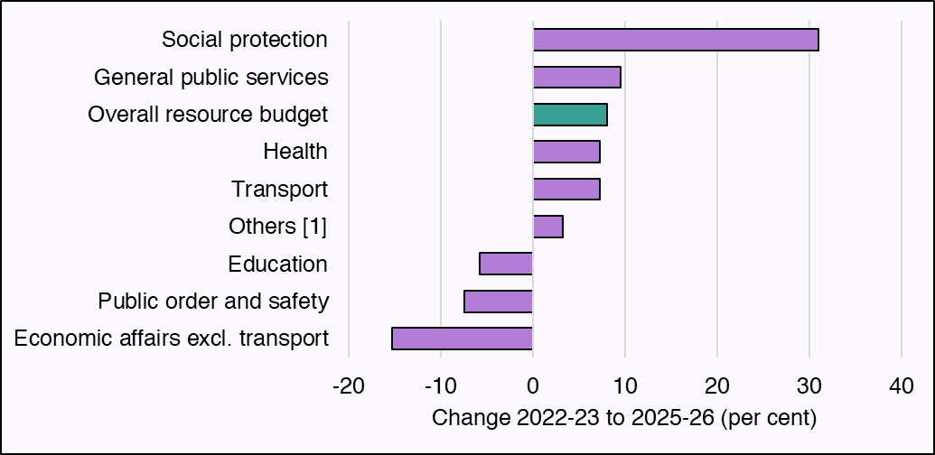
Description of Figure 1.4: Bar chart showing real terms changes in spending levels from 2022-23 to 2025-26 by area of spending. The day to day spending grew by 8.1 per cent over this period. Social protection spending has grown by 31 per cent. General public services, Health and Transport have grown broadly in line with overall funding levels (9.6 per cent, 7.3 per cent and 7.3 per cent respectively). Education, Public order and safety and Economic affairs excluding transport have all seen real terms reductions in spending (5.7 per cent, 7.5 per cent, and 15.3 per cent respectively).

Per cent | Change 2022-23 to 2025-26
Economic affairs excl. transport | -15.3
Public order and safety | -7.5
Education | -5.7
Others [1] | 3.3
Transport | 7.3
Health | 7.3
Overall resource budget | 8.1
General public services | 9.6
Social protection | 31.0
Source:
Scottish Fiscal Commission,
Scottish Government.
2024-25 is still provisional outturn, as reported to the Scottish Parliament in June 2025. Final outturn is expected in Spring 2026.
Real-terms values in 2025-26 prices and calculated using the ONS GDP deflator until 2024-25 and the OBR's November 2025 forecast for 2025-26.
[1] Consists of the three smallest classifications by amount of spending in 2025-26 plans at the Spring Budget Revision: Recreation, Culture and Religion; Environmental Protection; Housing and Community Amenities.
Return to Table of Contents

Figure 1.5
Figure 1.5: Change in portfolio allocation, 2025-26 to 2028-29 in real terms
The largest increase in spending is in Health and Social Care whilst the largest decrease is in Local Government
This worksheet contains one chart and one table. The charts begin in cell A5. The table begins in cell A18. Notes are located below the table and begin in cell A34.
Description of Figure 1.5: Horizontal bar chart showing the change in spending allocations between 2025-26 and 2028-29 in 2025-26 prices. The largest increase is in Health and Social Care, followed by Social Justice. Local Government experiences the largest decrease.
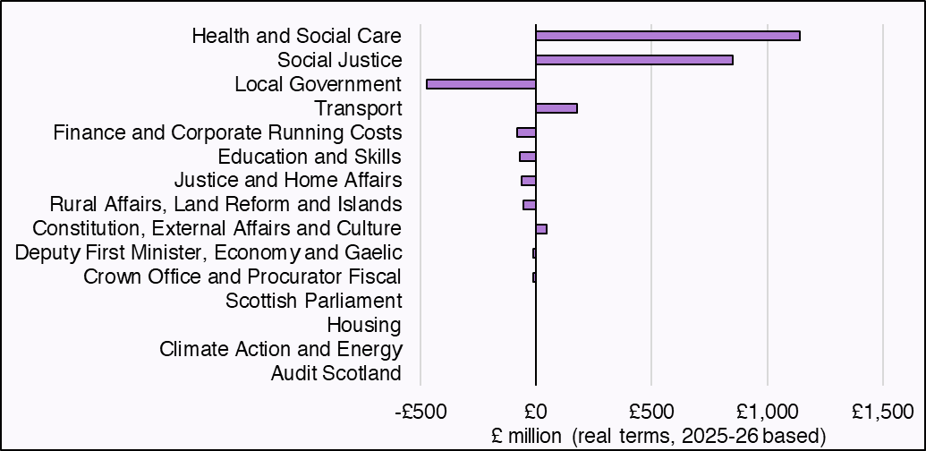

Portfolio (£ millions, real terms) | Difference between 2025-26 and 2028-29, real terms £ million
Audit Scotland | 0
Climate Action and Energy | -2
Housing | -7
Scottish Parliament | 7
Crown Office and Procurator Fiscal | -9
Deputy First Minister, Economy and Gaelic | -11
Constitution, External Affairs and Culture | 45
Rural Affairs, Land Reform and Islands | -54
Justice and Home Affairs | -62
Education and Skills | -69
Finance and Corporate Running Costs | -81
Transport | 202
Local Government | -472
Social Justice | 852
Health and Social Care | 1,141
Source:
Scottish Fiscal Commission,
Scottish Government.
Spending by portfolio 2025-26 is the position at the Autumn Budget Revision adjusted for transfers which have not been baselined.
Return to Table of Contents

Figure 1.6
Figure 1.6: Capital funding outlook
Capital funding grows in 2026-27 but remains flat in later years and is falling in real terms
This worksheet contains one chart and one table. The charts begin in cell A5. The table begins in cell A18. Notes are located below the table and begin in cell A21.
Description of Figure 1.6: Line chart showing capital funding trends from 2021-22 to 2030-31, in nominal and real terms, indexed so that 2021-22 levels are equal to 100. Capital funding grows in 2026-27 by 5 per cent and then remains flat over the forecast period. Adjusting for inflation sees a fall in capital funding across the forecast period.
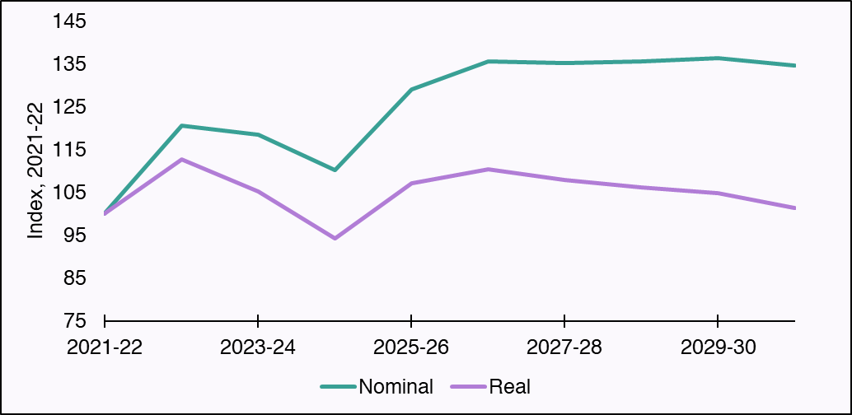

Index, 2021-22=100 | 2021-22 | 2022-23 | 2023-24 | 2024-25 | 2025-26 | 2026-27 | 2027-28 | 2028-29 | 2029-30 | 2030-31
Nominal | 100.0 | 120.7 | 118.5 | 110.3 | 129.0 | 135.7 | 135.3 | 135.6 | 136.4 | 134.7
Real | 100.0 | 112.8 | 105.2 | 94.4 | 107.3 | 110.3 | 107.9 | 106.1 | 104.8 | 101.5
Source:
Scottish Fiscal Commission,
Scottish Government.
Real-terms values in 2025-26 prices and calculated using the ONS GDP deflator until 2024-25 and the OBR's November 2025 forecast for 2025-26.
Return to Table of Contents

Figure 2.1
Figure 2.1: Devolved public sector workforce FTE
Since the pandemic, the public sector workforce has been on an upward trajectory
This worksheet contains one chart and one table. The charts begin in cell A5. The table begins in cell A18. Notes are located below the table and begin in cell A45.
Description of Figure 2.1: Chart showing the change and size of the public sector workforce. Local Government makes up the largest share of the workforce, and the size of the NHS Scotland workforce has increased over time.
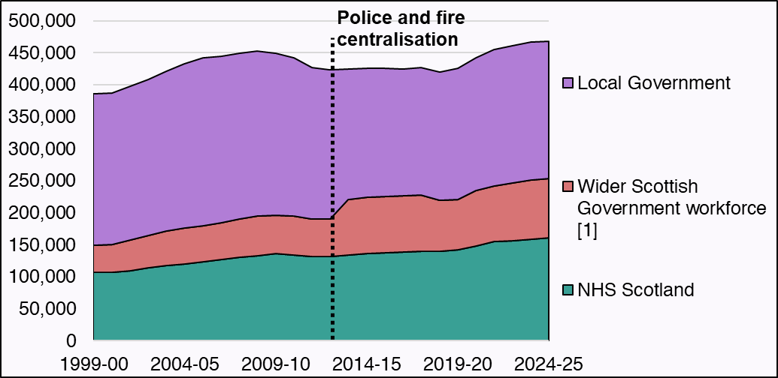

Year | NHS Scotland | Devolved civil service | Other public bodies | Further Education | Local Government | Wider Scottish Government workforce [1]
1999-00 | 106,750 | 14,025 | 17,050 | 11,500 | 237,250 | 42,575
2000-01 | 107,500 | 13,750 | 17,375 | 11,500 | 237,250 | 42,625
2001-02 | 110,000 | 14,350 | 21,625 | 11,650 | 240,500 | 47,625
2002-03 | 114,200 | 14,875 | 23,250 | 11,700 | 244,750 | 49,825
2003-04 | 118,200 | 15,175 | 25,975 | 11,700 | 250,500 | 52,850
2004-05 | 120,550 | 15,625 | 28,050 | 11,950 | 257,250 | 55,625
2005-06 | 123,675 | 15,925 | 28,575 | 12,200 | 261,750 | 56,700
2006-07 | 127,275 | 15,900 | 28,600 | 12,200 | 261,000 | 56,700
2007-08 | 130,825 | 15,925 | 31,625 | 12,350 | 258,750 | 59,900
2008-09 | 133,300 | 16,250 | 32,750 | 12,325 | 257,750 | 61,325
2009-10 | 136,175 | 16,725 | 32,025 | 11,850 | 252,250 | 60,600
2010-11 | 134,675 | 17,050 | 31,600 | 12,125 | 246,500 | 60,775
2011-12 | 131,425 | 16,000 | 31,000 | 11,350 | 237,000 | 58,350
2012-13 | 132,225 | 15,725 | 31,925 | 10,650 | 233,500 | 58,300
2013-14 | 134,550 | 15,950 | 32,075 | 10,275 | 203,500 | 86,800
2014-15 | 136,925 | 16,425 | 32,500 | 10,350 | 202,250 | 87,150
2015-16 | 137,975 | 16,475 | 33,100 | 10,525 | 200,500 | 87,600
2016-17 | 138,875 | 15,950 | 34,475 | 10,325 | 198,250 | 88,000
2017-18 | 139,650 | 16,250 | 34,625 | 10,350 | 198,750 | 88,150
2018-19 | 140,125 | 17,050 | 25,225 | 10,325 | 200,250 | 79,675
2019-20 | 141,900 | 19,400 | 22,050 | 10,450 | 204,750 | 79,375
2020-21 | 148,725 | 20,450 | 27,500 | 10,250 | 207,250 | 85,775
2021-22 | 154,900 | 22,975 | 26,875 | 10,325 | 212,250 | 87,600
2022-23 | 155,800 | 26,100 | 27,300 | 10,125 | 214,500 | 90,500
2023-24 | 159,100 | 26,525 | 29,000 | 9,650 | 215,750 | 92,075
2024-25 | 160,925 | 27,150 | 29,450 | 9,400 | 214,250 | 92,675
Source:
Scottish Fiscal Commission,
Scottish Government.
Quarterly data has been converted into financial years
[1] Consists of the devolved civil service (Scottish Administration), further education staff, workers of public corporations like Scottish Water or CalMac Ferries Limited, other public bodies, and (since 2013-14) police and fire officers following their centralisation.
Return to Table of Contents

Figure 2.2
Figure 2.2: Change in the effect of social security spending on the Scottish Budget
We forecast a smaller gap between BGA funding and spending than we did in June 2025
This worksheet contains one chart and one table. The chart begins in cell A5. The table begins in cell A18. Notes are located below the table and begin in cell A23.
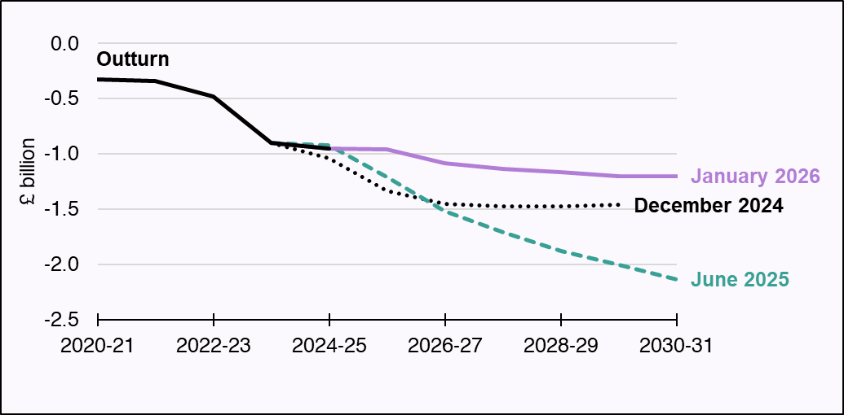
Description of Figure 2.2: Line chart showing the effect of social security spending on the Scottish Budget for this forecast, compared with previous forecasts. For 2029-30, this widened from £1.5 billion in our December 2024 forecast to £2.0 billion in June 2025 and then narrowed to £1.2 billion in our January 2026 forecast.

£ million | 2020-21 | 2021-22 | 2022-23 | 2023-24 | 2024-25 | 2025-26 | 2026-27 | 2027-28 | 2028-29 | 2029-30 | 2030-31
December 2024 | blank | blank | blank | -899 | -1,042 | -1,334 | -1,453 | -1,475 | -1,476 | -1,463 | blank
June 2025 | blank | blank | blank | -899 | -922 | -1,213 | -1,522 | -1,712 | -1,879 | -2,008 | -2,135
January 2026 | blank | blank | blank | -899 | -954 | -956 | -1,082 | -1,137 | -1,167 | -1,200 | -1,202
Outturn | -328 | -340 | -481 | -899 | -954 | blank | blank | blank | blank | blank | blank
Source: Scottish Fiscal Commission.
Return to Table of Contents

Figure 3.1
Figure 3.1: Living standards, real disposable income per person
We forecast Scottish living standards will grow by less than 1 per cent per year over the next five years
This worksheet contains one chart and one table. The charts begin in cell A5. The table begins in cell A18. Notes are located below the table and begin in cell A27.
Description of Figure 3.1: Column chart showing growth in living standards, both for longer-term averages (1999-00 to 2007-08 and 2008-09 to 2024-25), and for each year of our latest forecast horizon (2025-26 to 2030-31). The forecast growth in living standards is much lower than the pre-2008 trend, tending towards the post-2008 average only towards the end of the forecast horizon.
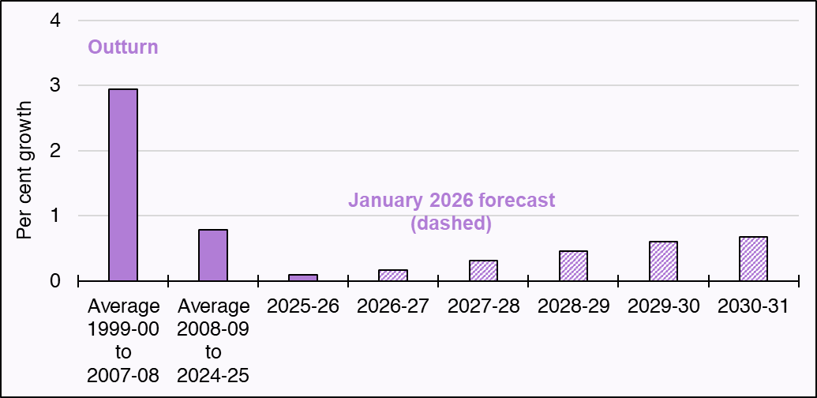

Per cent | Growth
Average 1999-00 to 2007-08 | 2.9
Average 2008-09 to 2024-25 | 0.8
2025-26 | 0.1
2026-27 | 0.2
2027-28 | 0.3
2028-29 | 0.5
2029-30 | 0.6
2030-31 | 0.7
Source:
Scottish Fiscal Commission.
Return to Table of Contents

Figure 3.2
Figure 3.2: Population growth in Scotland over the current and next parliament (by age-group)
Scotland’s over-65 population is expected to grow faster than other age groups over the next parliament
This worksheet contains one chart and one table. The charts begin in cell A5. The table begins in cell A18. Notes are located below the table and begin in cell A23.
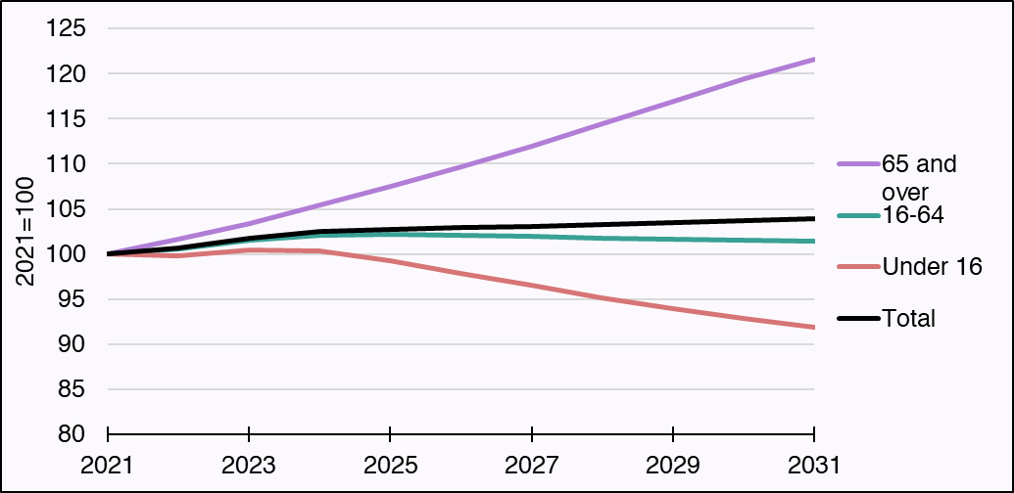
Description of Figure 3.2:Line chart showing the population aged under 16, 16 to 64 and 65 and over in Scotland. Population is indexed so that 2021 is equal to 100. Chart shows that the 65 and over population is rising steadily, but the population aged 16 to 64 is projected to peak in 2025. The under 16 population is falling over the next parliament.

Per cent | 2021 | 2022 | 2023 | 2024 | 2025 | 2026 | 2027 | 2028 | 2029 | 2030 | 2031
Under 16 | 100.00 | 99.81 | 100.49 | 100.37 | 99.22 | 97.88 | 96.50 | 95.15 | 93.97 | 92.91 | 91.87
16-64 | 100.00 | 100.53 | 101.51 | 102.08 | 102.17 | 102.09 | 101.95 | 101.79 | 101.66 | 101.52 | 101.45
65 and over | 100.00 | 101.64 | 103.42 | 105.48 | 107.55 | 109.69 | 111.97 | 114.44 | 116.96 | 119.44 | 121.60
Total | 100.00 | 100.63 | 101.72 | 102.48 | 102.76 | 102.91 | 103.05 | 103.22 | 103.44 | 103.67 | 103.89
Source:
Scottish Fiscal Commission.
Return to Table of Contents

Figure 3.3
Figure 3.3: Percentage of population receiving disability payment in Scotland and England and Wales by single year of age in 2020 and 2025
The rate of people receiving disability payments has increased across all ages between 2020 and 2025, but has increased more in Scotland than in England and Wales
This worksheet contains one chart and one table. The charts begin in cell A5. The table begins in cell A18. Notes are located below the table and begin in cell A23.
Description of Figure 3.3: Line chart showing the disability prevalence rate in Scotland and England and Wales in February 2020 and February 2025.
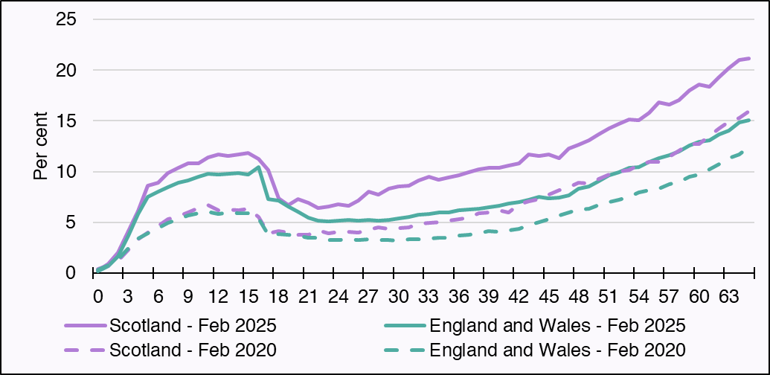

Per cent | 0 | 1 | 2 | 3 | 4 | 5 | 6 | 7 | 8 | 9 | 10 | 11 | 12 | 13 | 14 | 15 | 16 | 17 | 18 | 19 | 20 | 21 | 22 | 23 | 24 | 25 | 26 | 27 | 28 | 29 | 30 | 31 | 32 | 33 | 34 | 35 | 36 | 37 | 38 | 39 | 40 | 41 | 42 | 43 | 44 | 45 | 46 | 47 | 48 | 49 | 50 | 51 | 52 | 53 | 54 | 55 | 56 | 57 | 58 | 59 | 60 | 61 | 62 | 63 | 64 | 65
Scotland - Feb 2025 | 0.22 | 0.94 | 1.98 | 4.11 | 6.12 | 8.62 | 8.90 | 9.90 | 10.38 | 10.81 | 10.82 | 11.39 | 11.69 | 11.56 | 11.68 | 11.84 | 11.28 | 10.13 | 7.36 | 6.69 | 7.33 | 6.90 | 6.45 | 6.54 | 6.76 | 6.64 | 7.15 | 7.99 | 7.76 | 8.32 | 8.51 | 8.60 | 9.16 | 9.46 | 9.17 | 9.40 | 9.64 | 9.90 | 10.25 | 10.38 | 10.34 | 10.61 | 10.82 | 11.67 | 11.58 | 11.70 | 11.34 | 12.30 | 12.62 | 13.08 | 13.64 | 14.27 | 14.74 | 15.15 | 15.06 | 15.77 | 16.81 | 16.61 | 17.08 | 17.98 | 18.61 | 18.40 | 19.35 | 20.18 | 21.01 | 21.14
England and Wales - Feb 2025 | 0.21 | 0.69 | 1.67 | 3.68 | 5.86 | 7.49 | 8.01 | 8.49 | 8.90 | 9.15 | 9.50 | 9.79 | 9.72 | 9.79 | 9.86 | 9.71 | 10.47 | 7.32 | 7.13 | 6.60 | 6.08 | 5.47 | 5.15 | 5.07 | 5.18 | 5.24 | 5.19 | 5.25 | 5.17 | 5.27 | 5.42 | 5.54 | 5.73 | 5.81 | 5.94 | 5.96 | 6.23 | 6.25 | 6.31 | 6.48 | 6.62 | 6.84 | 7.03 | 7.21 | 7.51 | 7.39 | 7.47 | 7.67 | 8.29 | 8.56 | 9.07 | 9.62 | 9.93 | 10.40 | 10.46 | 10.96 | 11.33 | 11.64 | 11.96 | 12.56 | 12.97 | 13.07 | 13.65 | 14.04 | 14.83 | 15.04
Scotland - Feb 2020 | 0.38 | 0.76 | 1.23 | 2.31 | 3.32 | 4.01 | 4.62 | 5.30 | 5.60 | 5.94 | 6.43 | 6.71 | 6.20 | 6.30 | 6.22 | 6.34 | 5.51 | 3.95 | 4.14 | 3.98 | 3.79 | 3.80 | 4.18 | 3.90 | 4.04 | 4.04 | 4.03 | 4.31 | 4.48 | 4.35 | 4.43 | 4.54 | 4.87 | 4.91 | 5.01 | 5.16 | 5.32 | 5.46 | 5.87 | 5.99 | 6.17 | 6.01 | 6.79 | 7.04 | 7.33 | 7.70 | 8.19 | 8.50 | 8.88 | 8.86 | 9.31 | 9.75 | 10.00 | 10.16 | 10.70 | 11.00 | 10.96 | 11.48 | 12.08 | 12.74 | 12.73 | 13.52 | 14.28 | 14.91 | 15.26 | 15.95
England and Wales - Feb 2020 | 0.31 | 0.74 | 1.37 | 2.43 | 3.37 | 3.91 | 4.45 | 4.93 | 5.34 | 5.70 | 5.90 | 6.05 | 5.85 | 5.99 | 5.92 | 5.92 | 5.41 | 3.76 | 3.83 | 3.75 | 3.68 | 3.50 | 3.47 | 3.27 | 3.26 | 3.30 | 3.26 | 3.30 | 3.27 | 3.27 | 3.22 | 3.34 | 3.36 | 3.40 | 3.45 | 3.49 | 3.68 | 3.78 | 3.91 | 4.11 | 4.07 | 4.19 | 4.35 | 4.75 | 5.02 | 5.33 | 5.72 | 5.95 | 6.28 | 6.36 | 6.68 | 6.99 | 7.26 | 7.52 | 7.92 | 8.17 | 8.33 | 8.75 | 8.95 | 9.47 | 9.72 | 10.22 | 10.72 | 11.33 | 11.70 | 12.44
Source:
Scottish Fiscal Commission.
Return to Table of Contents

Figure 3.4
Figure 3.4: Additional public investment, reserved and devolved sectors, Scotland
In Scotland the majority of public investment in climate mitigation will be in devolved sectors
This worksheet contains one chart and one table. The chart begins in cell A5. The table begins in cell A18. Notes are located below the table and begin in cell A21.
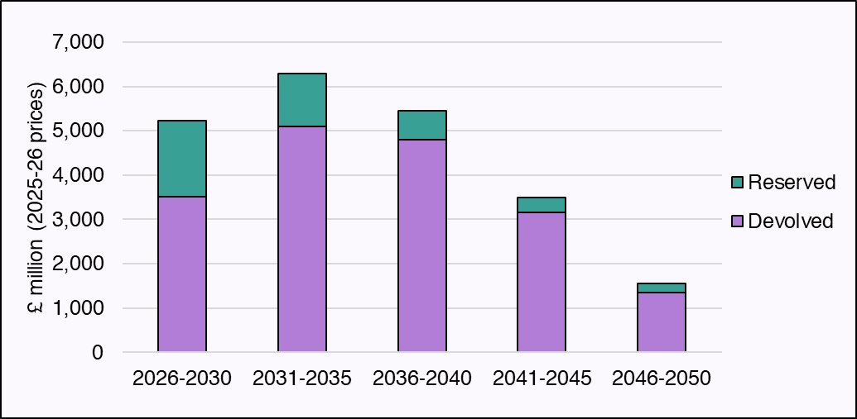
Description of Figure 3.4: Stacked column chart showing the total additional public investment needed in Scotland and how much of this is in reserved and devolved sectors. In all periods, the additional public investment in devolved sectors is higher than in reserved sectors. Additional public investment peaks in the second carbon budget.

Additional capital (£ million) | 2026-2030 | 2031-2035 | 2036-2040 | 2041-2045 | 2046-2050
Devolved | 3,517 | 5,089 | 4,804 | 3,164 | 1,342
Reserved | 1,706 | 1,198 | 650 | 322 | 212
Source: Scottish Fiscal Commission.
Real terms values in 2025-26 prices and calculated using the OBR's November 2025 forecast for 2025-26.
This chart shows the total for each five-year period displayed.
Return to Table of Contents

