Figure 1
Figure 1: Current and recent projections of the Income Tax net position
Projections since December 2022 show net positon expected to rise over time
This worksheet contains one chart and one table. The chart begins in cell A5. The table begins in cell A18. Notes are located below the table and begin in cell A34.
Description of Figure 1: Line chart of our previous projections (published in December 2022, December 2023, December 2024, and June 2025) and our new projection (published in January 2026) of the Income Tax net position. All gradually rise over time, but our latest projection sits below our December 2024 in all years.
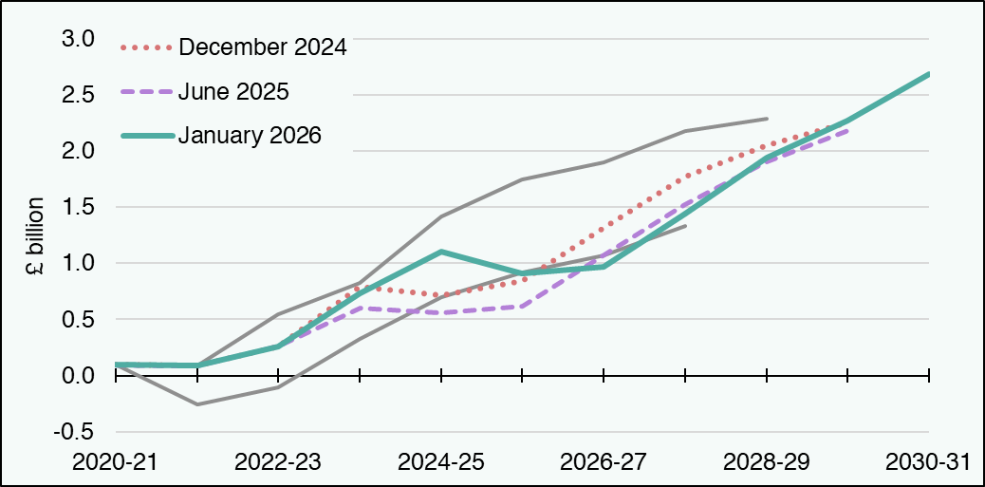

£ million | 2020-21 | 2021-22 | 2022-23 | 2023-24 | 2024-25 | 2025-26 | 2026-27 | 2027-28 | 2028-29 | 2029-30 | 2030-31
January 2026 ITNP | 96 | 85 | 260 | 730 | 1,102 | 913 | 969 | 1,442 | 1,941 | 2,270 | 2,687
January 2026 Scottish Income Tax Revenue | 11,948 | 13,724 | 15,169 | 17,093 | 18,941 | 20,280 | 21,508 | 22,828 | 24,051 | 25,398 | 26,769
January 2026 Scottish Income Tax BGA | -11,852 | -13,639 | -14,909 | -16,362 | -17,839 | -19,367 | -20,539 | -21,386 | -22,110 | -23,128 | -24,082
June 2025 ITNP | 96 | 85 | 260 | 604 | 562 | 616 | 1,072 | 1,526 | 1,899 | 2,182 | blank
June 2026 Scottish Income Tax Revenue | 11,948 | 13,724 | 15,169 | 17,072 | 18,992 | 20,495 | 21,901 | 23,139 | 24,186 | 25,288 | blank
June 2026 Scottish Income Tax BGA | -11,852 | -13,639 | -14,909 | -16,468 | -18,431 | -19,879 | -20,830 | -21,614 | -22,287 | -23,107 | blank
December 2024 ITNP | 96 | 85 | 260 | 788 | 711 | 838 | 1,314 | 1,774 | 2,051 | 2,255 | blank
December 2024 Scottish Income Tax Revenue | 11,948 | 13,724 | 15,169 | 17,315 | 19,099 | 20,477 | 21,782 | 22,980 | 23,913 | 24,930 | blank
December 2024 Scottish Income Tax BGA | -11,852 | -13,639 | -14,909 | -16,527 | -18,389 | -19,639 | -20,468 | -21,207 | -21,862 | -22,675 | blank
December 2023 ITNP | 96 | 85 | 542 | 827 | 1,412 | 1,749 | 1,896 | 2,178 | 2,288 | blank | blank
December 2023 Scottish Income Tax Revenue | 11,948 | 13,724 | 15,309 | 17,357 | 18,844 | 19,873 | 20,856 | 22,056 | 22,981 | blank | blank
December 2023 Scottish Income Tax BGA | -11,852 | -13,639 | -14,768 | -16,530 | -17,432 | -18,125 | -18,960 | -19,877 | -20,693 | blank | blank
December 2022 ITNP | 96 | -256 | -107 | 325 | 700 | 915 | 1,068 | 1,332 | blank | blank | blank
December 2022 Scottish Income Tax Revenue | 11,948 | 13,337 | 14,575 | 15,810 | 16,633 | 17,370 | 18,247 | 19,437 | blank | blank | blank
December 2022 Scottish Income Tax BGA | -11,852 | -13,594 | -14,681 | -15,485 | -15,932 | -16,455 | -17,179 | -18,105 | blank | blank | blank
Source: Scottish Fiscal Commission.
Return to Table of Contents

Figure 2
Figure 2: Change in effect of social security spending on the Scottish Budget
Change in the social security spending above the BGA funding since December 2024
This worksheet contains one chart and one table. The chart begins in cell A5. The table begins in cell A18. Notes are located below the table and begin in cell A23.
Description of Figure 2: Line chart showing the effect of social security spending on the Scottish Budget for this forecast, compared with previous forecasts. For 2029-30, this widened from £1.5 billion in our December 2024 forecast to £2.0 billion in June 2025 and then narrowed to £1.2 billion in our January 2026 forecast.
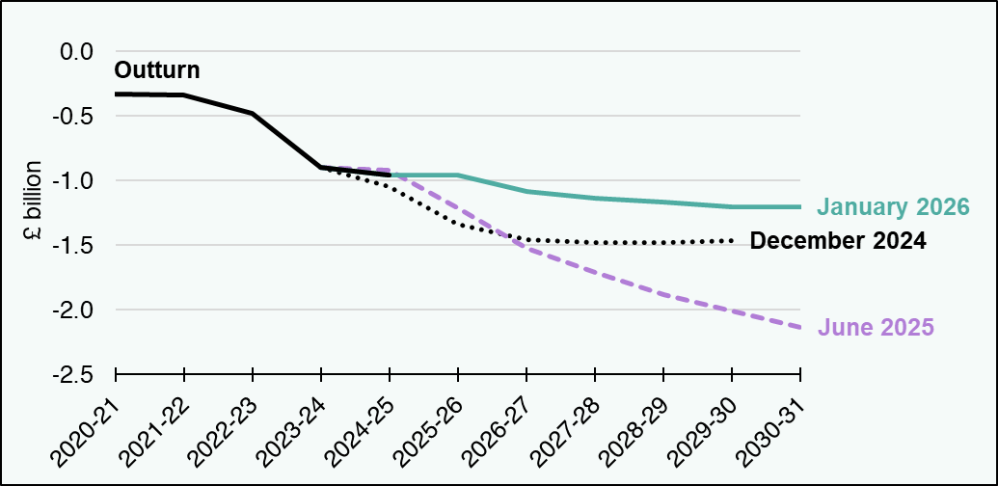

£ million | 2020-21 | 2021-22 | 2022-23 | 2023-24 | 2024-25 | 2025-26 | 2026-27 | 2027-28 | 2028-29 | 2029-30 | 2030-31
December 2024 | blank | blank | blank | -899 | -1,042 | -1,334 | -1,453 | -1,475 | -1,476 | -1,463 | blank
June 2025 | blank | blank | blank | -899 | -922 | -1,213 | -1,522 | -1,712 | -1,879 | -2,008 | -2,135
January 2026 | blank | blank | blank | -899 | -954 | -956 | -1,082 | -1,137 | -1,167 | -1,200 | -1,202
Outturn | -328 | -340 | -481 | -899 | -954 | blank | blank | blank | blank | blank | blank
Source: Scottish Fiscal Commission.
Return to Table of Contents

Figure 6
Figure 6: Portfolio changes between 2025-26 and 2028-29, real terms, £ million
Changes in real term spendidng is positive for some portfolios and negative for others.
This worksheet contains one chart and one table. The chart begin in cell A5. The table begins in cell A18. Notes are located below the table and begin in cell A34.
Description of Figure 6: Bar chart showing the real term changes in portfolio spending plans between 2025-26 and 2028-29. The largest positive change applies to the Health and Social Care portfolio, followed by Social Justice. The Local Government portfolio experiences the largest negative change.
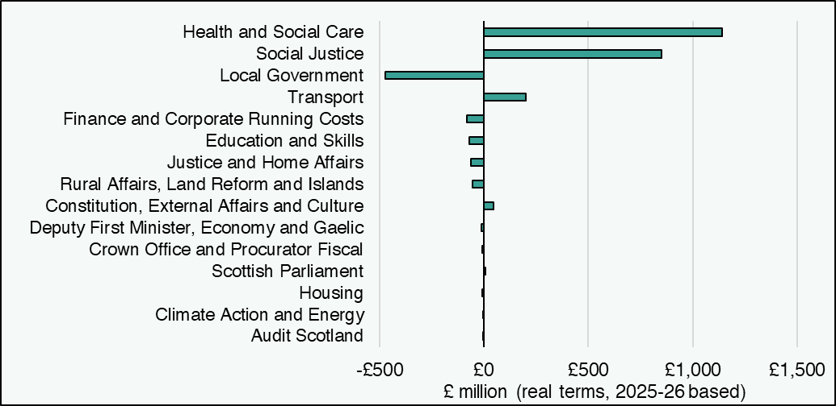

Portfolio (£ millions, real terms) | Difference between 2025-26 and 2028-29
Audit Scotland | 0
Climate Action and Energy | -2
Housing | -7
Scottish Parliament | 7
Crown Office and Procurator Fiscal | -9
Deputy First Minister, Economy and Gaelic | -11
Constitution, External Affairs and Culture | 45
Rural Affairs, Land Reform and Islands | -54
Justice and Home Affairs | -62
Education and Skills | -69
Finance and Corporate Running Costs | -81
Transport | 202
Local Government | -472
Social Justice | 852
Health and Social Care | 1,141
Source:
Scottish Fiscal Commission,
Scottish Government.
Spending by portfolio 2025-26 is the position at the Autumn Budget Revision adjusted for transfers which have not been baselined.
Return to Table of Contents

