Figure 5.3
Figure 5.3: ADP authorisation rate
ADP authorisation rate continues to decrease
This worksheet contains one chart and one table. The chart begins in cell A5. The table begins in cell A18. Notes are located below the table and begin in cell A20.
Description of Figure 5.3: Line chart showing ADP authorisation rate gradually decreasing from 55 per cent in April 2023 to 34 per cent in July 2025.
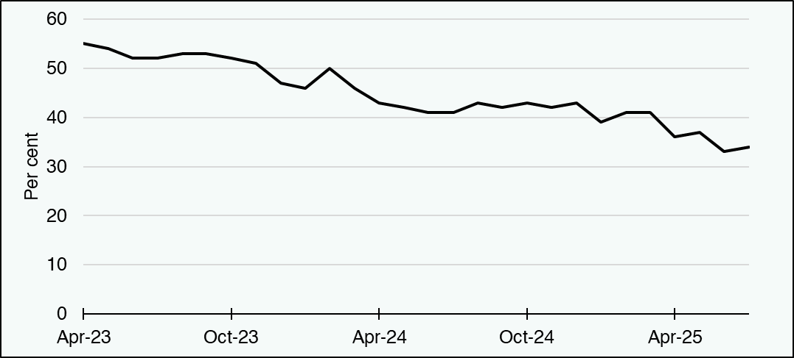

Per cent | Apr-23 | May-23 | Jun-23 | Jul-23 | Aug-23 | Sep-23 | Oct-23 | Nov-23 | Dec-23 | Jan-24 | Feb-24 | Mar-24 | Apr-24 | May-24 | Jun-24 | Jul-24 | Aug-24 | Sep-24 | Oct-24 | Nov-24 | Dec-24 | Jan-25 | Feb-25 | Mar-25 | Apr-25 | May-25 | Jun-25 | Jul-25
Initial authorisation rate | 55 | 54 | 52 | 52 | 53 | 53 | 52 | 51 | 47 | 46 | 50 | 46 | 43 | 42 | 41 | 41 | 43 | 42 | 43 | 42 | 43 | 39 | 41 | 41 | 36 | 37 | 33 | 34
Source:
Scottish Fiscal Commission,
Social Security Scotland (2025) - Adult Disability Payment statistics to 31 July 2025.
Return to Table of Contents

Figure 5.5
Figure 5.5: Change in effect of social security spending on the Scottish Budget
Change in the social security spending above the BGA funding since December 2024
This worksheet contains one chart and one table. The chart begins in cell A5. The table begins in cell A18. Notes are located below the table and begin in cell A23.
Description of Figure 5.5: Line chart showing the effect of social security spending on the Scottish Budget for this forecast, compared with previous forecasts. For 2029-30, this widened from £1.5 billion in our December 2024 forecast to £2.0 billion in June 2025 and then narrowed to £1.2 billion in our January 2026 forecast.
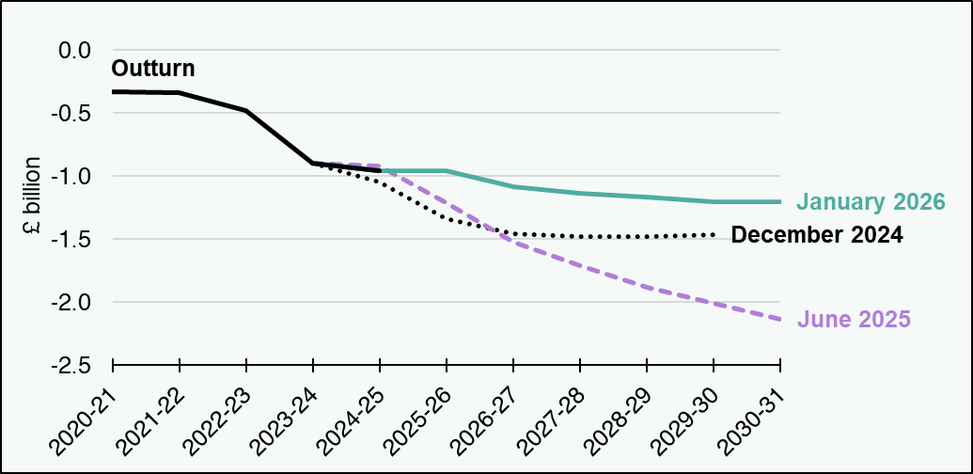

£ million | 2020-21 | 2021-22 | 2022-23 | 2023-24 | 2024-25 | 2025-26 | 2026-27 | 2027-28 | 2028-29 | 2029-30 | 2030-31
December 2024 | blank | blank | blank | -899 | -1,042 | -1,334 | -1,453 | -1,475 | -1,476 | -1,463 | blank
June 2025 | blank | blank | blank | -899 | -922 | -1,213 | -1,522 | -1,712 | -1,879 | -2,008 | -2,135
January 2026 | blank | blank | blank | -899 | -954 | -956 | -1,082 | -1,137 | -1,167 | -1,200 | -1,202
Outturn | -328 | -340 | -481 | -899 | -954 | blank | blank | blank | blank | blank | blank
Source: Scottish Fiscal Commission.
Return to Table of Contents

