Figure 4.5
Figure 4.5: Current and recent projections of the Income Tax net position
Projections since December 2022 show net positon expected to rise over time
This worksheet contains one chart and one table. The chart begins in cell A5. The table begins in cell A18. Notes are located below the table and begin in cell A34.
Description of Figure 4.5: Line chart of our previous projections (published in December 2022, December 2023, December 2024, and June 2025) and our new projection (published in January 2026) of the Income Tax net position. All gradually rise over time, but our latest projection sits below our December 2024 in all years.
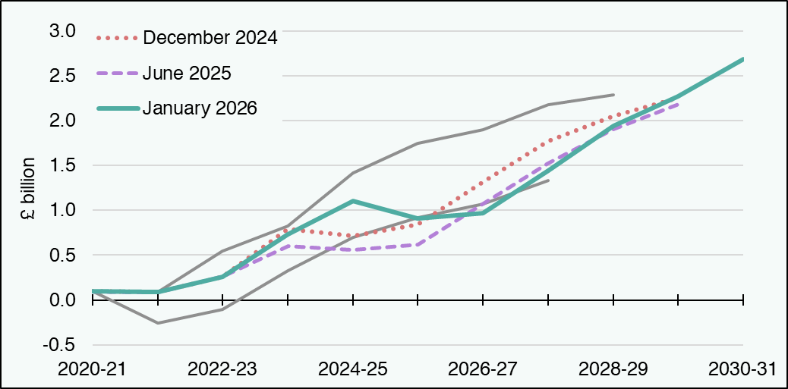

£ million | 2020-21 | 2021-22 | 2022-23 | 2023-24 | 2024-25 | 2025-26 | 2026-27 | 2027-28 | 2028-29 | 2029-30 | 2030-31
January 2026 ITNP | 96 | 85 | 260 | 730 | 1,102 | 913 | 969 | 1,442 | 1,941 | 2,270 | 2,687
January 2026 Scottish Income Tax Revenue | 11,948 | 13,724 | 15,169 | 17,093 | 18,941 | 20,280 | 21,508 | 22,828 | 24,051 | 25,398 | 26,769
January 2026 Scottish Income Tax BGA | -11,852 | -13,639 | -14,909 | -16,362 | -17,839 | -19,367 | -20,539 | -21,386 | -22,110 | -23,128 | -24,082
June 2025 ITNP | 96 | 85 | 260 | 604 | 562 | 616 | 1,072 | 1,526 | 1,899 | 2,182 | blank
June 2026 Scottish Income Tax Revenue | 11,948 | 13,724 | 15,169 | 17,072 | 18,992 | 20,495 | 21,901 | 23,139 | 24,186 | 25,288 | blank
June 2026 Scottish Income Tax BGA | -11,852 | -13,639 | -14,909 | -16,468 | -18,431 | -19,879 | -20,830 | -21,614 | -22,287 | -23,107 | blank
December 2024 ITNP | 96 | 85 | 260 | 788 | 711 | 838 | 1,314 | 1,774 | 2,051 | 2,255 | blank
December 2024 Scottish Income Tax Revenue | 11,948 | 13,724 | 15,169 | 17,315 | 19,099 | 20,477 | 21,782 | 22,980 | 23,913 | 24,930 | blank
December 2024 Scottish Income Tax BGA | -11,852 | -13,639 | -14,909 | -16,527 | -18,389 | -19,639 | -20,468 | -21,207 | -21,862 | -22,675 | blank
December 2023 ITNP | 96 | 85 | 542 | 827 | 1,412 | 1,749 | 1,896 | 2,178 | 2,288 | blank | blank
December 2023 Scottish Income Tax Revenue | 11,948 | 13,724 | 15,309 | 17,357 | 18,844 | 19,873 | 20,856 | 22,056 | 22,981 | blank | blank
December 2023 Scottish Income Tax BGA | -11,852 | -13,639 | -14,768 | -16,530 | -17,432 | -18,125 | -18,960 | -19,877 | -20,693 | blank | blank
December 2022 ITNP | 96 | -256 | -107 | 325 | 700 | 915 | 1,068 | 1,332 | blank | blank | blank
December 2022 Scottish Income Tax Revenue | 11,948 | 13,337 | 14,575 | 15,810 | 16,633 | 17,370 | 18,247 | 19,437 | blank | blank | blank
December 2022 Scottish Income Tax BGA | -11,852 | -13,594 | -14,681 | -15,485 | -15,932 | -16,455 | -17,179 | -18,105 | blank | blank | blank
Source: Scottish Fiscal Commission.
Return to Table of Contents

Figure 4.8
Figure 4.8: Change in 2024-25 indicative reconciliations since December 2023
The variation in indicative reconciliation estimates can mostly be attributed to changes in the BGA
This worksheet contains one chart and one table. The chart begins in cell A5. The table begins in cell A18. Notes are located below the table and begin in cell A23.
Description of Figure 4.8: Stacked bar chart showing changes in Scottish Income Tax (SIT) and BGA since budget-setting forecast in December 2023. It also has a marker showing the indicative reconciliation estimate at each forecast.
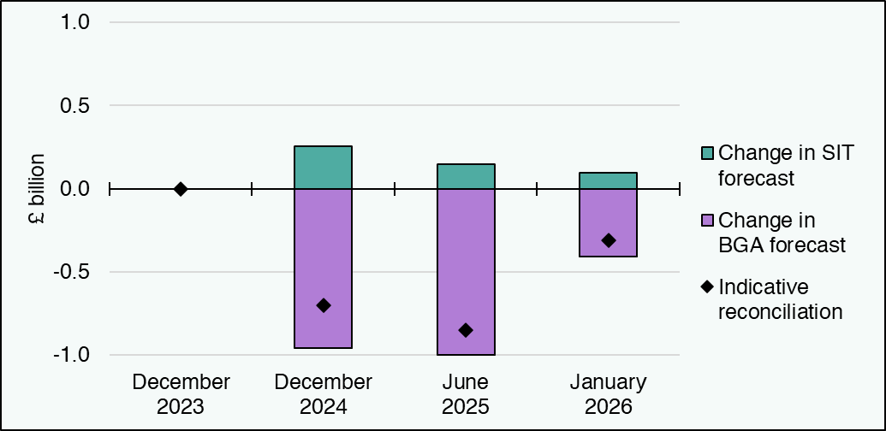

£ million | December 2023 | December 2024 | June 2025 | January 2026
Change in SIT forecast | 0 | 255 | 148 | 98
Change in BGA forecast | 0 | -957 | -999 | -407
Indicative reconciliation | 0 | -701 | -851 | -310
Reconciliation (2027-28) | 0 | -701 | -851 | blank
Source: Scottish Fiscal Commission.
Return to Table of Contents

