Figure 3.1
Figure 3.1: Gross Domestic Product (GDP) index, Scotland
GDP forecast starts from lower level but growth is consistent with forecast a year ago
This worksheet contains one chart and one table. The charts begin in cell A5. The table begins in cell A18. Notes are located below the table and begin in cell A48.
Description of Figure 3.1: Line chart showing outturn GDP below our December 2024 forecast. Level of GDP forecast is lower than expected a year ago. Growth outlook is largely unchanged.
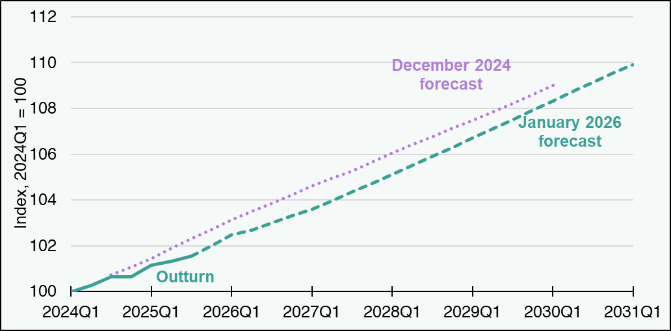

Period | December 2024 outturn | December 2024 forecast | January 2026 outturn | January 2026 forecast
2024Q1 | 100.0 | blank | 100.0 | blank
2024Q2 | 100.4 | blank | 100.3 | blank
2024Q3 | 100.7 | 100.7 | 100.7 | blank
2024Q4 | blank | 101.1 | 100.7 | blank
2025Q1 | blank | 101.4 | 101.1 | blank
2025Q2 | blank | 101.9 | 101.3 | blank
2025Q3 | blank | 102.3 | 101.6 | 101.6
2025Q4 | blank | 102.7 | blank | 102.0
2026Q1 | blank | 103.1 | blank | 102.5
2026Q2 | blank | 103.5 | blank | 102.7
2026Q3 | blank | 103.9 | blank | 103.0
2026Q4 | blank | 104.2 | blank | 103.3
2027Q1 | blank | 104.6 | blank | 103.6
2027Q2 | blank | 104.9 | blank | 104.0
2027Q3 | blank | 105.3 | blank | 104.4
2027Q4 | blank | 105.7 | blank | 104.7
2028Q1 | blank | 106.1 | blank | 105.1
2028Q2 | blank | 106.4 | blank | 105.5
2028Q3 | blank | 106.8 | blank | 105.9
2028Q4 | blank | 107.1 | blank | 106.3
2029Q1 | blank | 107.5 | blank | 106.7
2029Q2 | blank | 107.8 | blank | 107.1
2029Q3 | blank | 108.2 | blank | 107.5
2029Q4 | blank | 108.6 | blank | 107.9
2030Q1 | blank | 109.0 | blank | 108.3
2030Q2 | blank | blank | blank | 108.8
2030Q3 | blank | blank | blank | 109.1
2030Q4 | blank | blank | blank | 109.5
2031Q1 | blank | blank | blank | 109.9
Source:
Scottish Fiscal Commission – Scotland’s Economic and Fiscal Forecasts.
Return to Table of Contents

Figure 3.3
Figure 3.3: Contributions to change in trend GDP growth in 2029-30, Scotland and UK
In 2029-30, productivity downgrade is main factor for lower trend GDP growth forecast
This worksheet contains one chart and one table. The charts begin in cell A5. The table begins in cell A18. Notes are located below the table and begin in cell A21.
Description of Figure 3.3: Waterfall chart showing the latest SFC and OBR forecasts of trend GDP growth in 2029-30 are both 0.2 percentage points lower than those from a year ago, with the main contribution from productivity and smaller changes in labour supply.
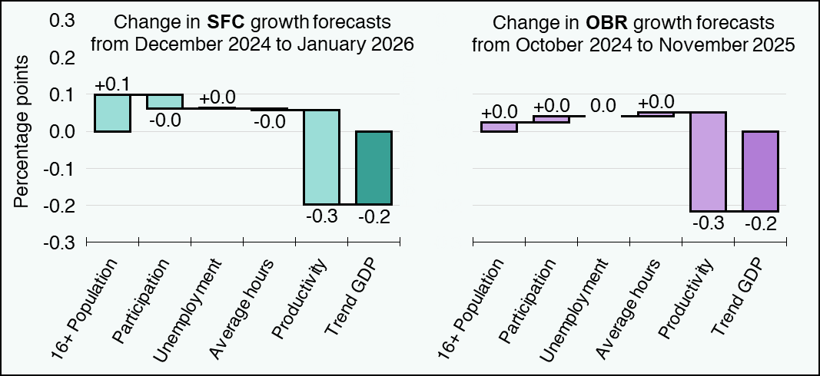

Forecast | 16+ Population | Participation | Unemployment | Average hours | Productivity | Trend GDP
SFC January 2026 on December 2024 | 0.1 | 0.0 | 0.0 | 0.0 | -0.3 | -0.2
OBR November 2025 on October 2024 | 0.0 | 0.0 | 0.0 | 0.0 | -0.3 | -0.2
Source:
Scottish Fiscal Commission – Scotland’s Economic and Fiscal Forecasts,
OBR (2024) Economic and fiscal outlook – October 2024,
OBR (2025) Economic and fiscal outlook – November 2025.
The figure for the change in Trend GDP growth forecasts may not exactly add up to the sum of its components.
Return to Table of Contents

Figure 3.4
Figure 3.4: Consumer Prices Index (CPI) inflation, UK
Inflation to be above target in the near term, higher than previously expected
This worksheet contains one chart and one table. The charts begin in cell A5. The table begins in cell A18. Notes are located below the table and begin in cell A52.
Description of Figure 3.4: Line chart showing inflation recently peaking at 3.8 per cent in 2025 Q3 and returning to the Bank of England’s 2 per cent target by 2027 Q1. This is slightly higher than our May 2025 forecast. Over 2025-26, it is also higher than our December 2024 forecast.
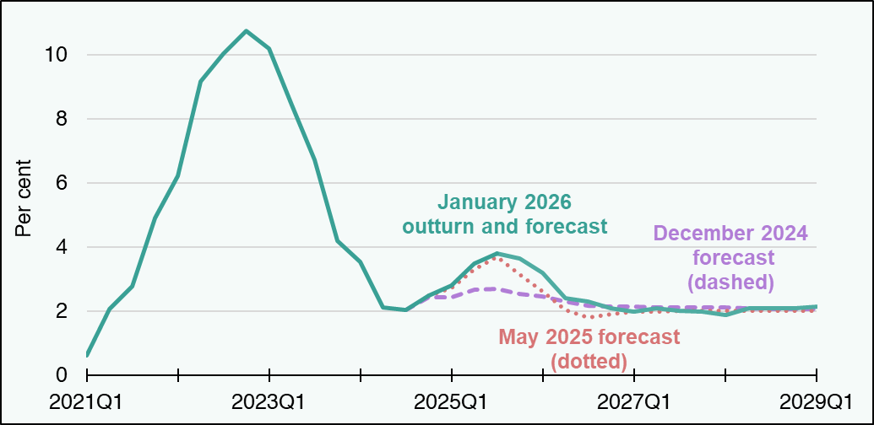

Period | December 2024 outturn | December 2024 forecast | May 2025 outturn | May 2025 forecast | January 2026 outturn | January 2026 forecast
2021Q1 | 0.6 | blank | 0.6 | blank | 0.6 | blank
2021Q2 | 2.1 | blank | 2.1 | blank | 2.1 | blank
2021Q3 | 2.8 | blank | 2.8 | blank | 2.8 | blank
2021Q4 | 4.9 | blank | 4.9 | blank | 4.9 | blank
2022Q1 | 6.2 | blank | 6.2 | blank | 6.2 | blank
2022Q2 | 9.2 | blank | 9.2 | blank | 9.2 | blank
2022Q3 | 10.0 | blank | 10.0 | blank | 10.0 | blank
2022Q4 | 10.7 | blank | 10.7 | blank | 10.7 | blank
2023Q1 | 10.2 | blank | 10.2 | blank | 10.2 | blank
2023Q2 | 8.4 | blank | 8.4 | blank | 8.4 | blank
2023Q3 | 6.7 | blank | 6.7 | blank | 6.7 | blank
2023Q4 | 4.2 | blank | 4.2 | blank | 4.2 | blank
2024Q1 | 3.5 | blank | 3.5 | blank | 3.5 | blank
2024Q2 | 2.1 | blank | 2.1 | blank | 2.1 | blank
2024Q3 | 2.0 | 2.0 | 2.0 | blank | 2.0 | blank
2024Q4 | blank | 2.4 | 2.5 | 2.5 | 2.5 | blank
2025Q1 | blank | 2.4 | blank | 2.7 | 2.8 | blank
2025Q2 | blank | 2.7 | blank | 3.3 | 3.5 | blank
2025Q3 | blank | 2.7 | blank | 3.7 | 3.8 | 3.8
2025Q4 | blank | 2.5 | blank | 3.1 | blank | 3.6
2026Q1 | blank | 2.5 | blank | 2.6 | blank | 3.2
2026Q2 | blank | 2.3 | blank | 2.0 | blank | 2.4
2026Q3 | blank | 2.2 | blank | 1.8 | blank | 2.3
2026Q4 | blank | 2.1 | blank | 1.9 | blank | 2.1
2027Q1 | blank | 2.1 | blank | 2.0 | blank | 2.0
2027Q2 | blank | 2.1 | blank | 2.0 | blank | 2.1
2027Q3 | blank | 2.1 | blank | 2.0 | blank | 2.0
2027Q4 | blank | 2.1 | blank | 2.0 | blank | 2.0
2028Q1 | blank | 2.1 | blank | 2.0 | blank | 1.9
2028Q2 | blank | 2.1 | blank | 2.0 | blank | 2.1
2028Q3 | blank | 2.1 | blank | 2.0 | blank | 2.1
2028Q4 | blank | 2.1 | blank | 2.0 | blank | 2.1
2029Q1 | blank | 2.0 | blank | 2.0 | blank | 2.1
Source:
Scottish Fiscal Commission – Scotland’s Economic and Fiscal Forecasts.
Outturn data is up to and including 2025 Q3.
Return to Table of Contents

Figure 3.5
Figure 3.5: Comparison of SFC and OBR forecasts of nominal average earnings growth
Forecasts are now closer for 2026-27 while ours is above the OBR’s afterwards
This worksheet contains one chart and one table. The chart begins in cell A5. The table begins in cell A18. Notes are located below the table and begin in cell A23.
Description of Figure 3.5: Line charts showing the latest SFC and OBR forecasts of nominal earnings growth, alongside the previous forecasts published in December 2024 and October 2024 respectively. The latest forecasts are both around 3 per cent in 2026-27, with the OBR’s revised up from 2.1 per cent while ours was stable.
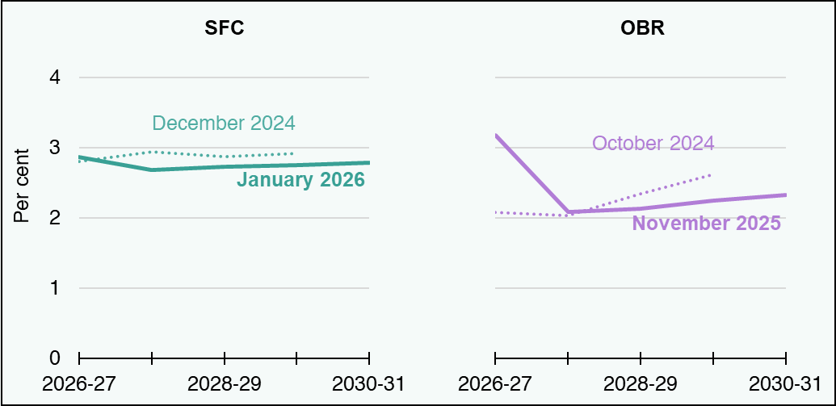

Forecasts | 2026-27 | 2027-28 | 2028-29 | 2029-30 | 2030-31
OBR October 2024 | 2.1 | 2.0 | 2.3 | 2.6 | blank
OBR November 2025 | 3.2 | 2.1 | 2.1 | 2.2 | 2.3
SFC December 2024 | 2.8 | 2.9 | 2.9 | 2.9 | blank
SFC January 2026 | 2.9 | 2.7 | 2.7 | 2.8 | 2.8
Source:
Scottish Fiscal Commission – Scotland’s Economic and Fiscal Forecasts,
OBR (2024) Economic and fiscal outlook – October 2024,
OBR (2025) Economic and fiscal outlook – November 2025.
Return to Table of Contents

