Figure S5.17
Figure S5.17: Change in total social security spending forecast since December 2024
Social security spending is forecast to increase from £6.9 billion in 2025-26 to £9.4 billion in 2030-31, driven by uprating of payments and rising caseloads
This worksheet contains one chart and one table. The chart begins in cell A5. The table begins in cell A18. Notes are located below the table and begin in cell A22.
Description of Figure S5.17: Line chart showing our social security spending forecast in our previous projection (published in December 2024) and our latest projection (published in May 2025).
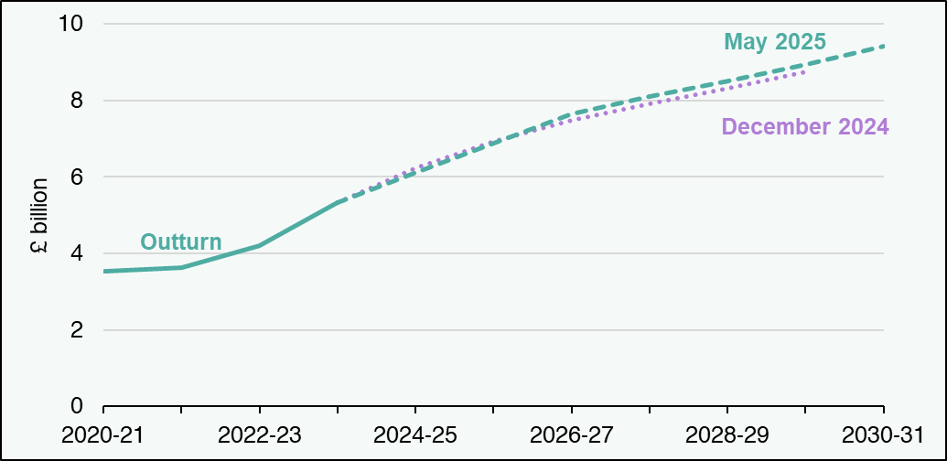

£ billion | 2020-21 | 2021-22 | 2022-23 | 2023-24 | 2024-25 | 2025-26 | 2026-27 | 2027-28 | 2028-29 | 2029-30 | 2030-31
December 2024 | blank | blank | blank | 5.3 | 6.2 | 6.9 | 7.5 | 7.9 | 8.3 | 8.8 | blank
May 2025 | blank | blank | blank | 5.3 | 6.1 | 6.9 | 7.7 | 8.1 | 8.5 | 8.9 | 9.4
Outturn | 3.5 | 3.6 | 4.2 | 5.3 | blank | blank | blank | blank | blank | blank | blank
Source: Scottish Fiscal Commission.
Return to Table of Contents

